체크포인트
DATE | Item# |  | 관련 파라미터 (XML) | 고려사항
 | 1 | RU Type 별로 ANTL path 개수를 알아야 한다. (특히 LTE) | <managedObject class="com.nokia.srbts.mnl:CHANNEL" version="MNL22R2_2113_100" distName="MRBTS-540002/MNL-1/MNLENT-1/CELLMAPPING-1/LCELL-1/CHANNELGROUP-1/CHANNEL-1" operation="create"> <p name="antlDN">MRBTS-540002/EQM-1/APEQM-1/RMOD-10/ANTL-37</p> <p name="direction">TX</p> </managedObject> | . CLI 입력 시에 RU type(model) name을 입력 받아야 한다. . 자동으로 알수 있는 방법은 없는가?
 | 2 | 향후 RU Type(model) 추가를 반영(고려)한 구조 설계가 필요하다. | "distName":"MRBTS-6478/EQM-1/APEQM-1/RMOD-1", "parameters":{ "prodCodePlanned":"474216A.101", "moduleLocation":"WG" } "distName":"MRBTS-6478/EQM-1/APEQM-1/RMOD-2", "parameters":{ "prodCodePlanned":"474090A.101" } | > CLI 'system>config' 상에서 현재 버젼의 nocCLI에서 지원하는 DU, RU 모델들을 list-up 해 줄 수 있는 CLI 명령이 필요함. > 신규 DU,RU 모델도 등록할 수 있어야 함. (단순 등록은 의미가 없고 일부 로직/코딩도 변경될 것으로 보임) > 예: type(AAAAA) trx(4); type(BBBBB) trx(8); type(CCCCC) trx(16)
"AEQN": { "CODE": "474736A", "TYPE": "PHYANT" },
"AEQY": { "CODE": "475538A", "TYPE": "PHYANT" },
"AQQA": { "CODE": "475573A", "TYPE": "PHYANT" },
"AQQL": { "CODE": "475732A", "TYPE": "PHYANT" },
"AQQS": { "CODE": "475989A", "TYPE": "PHYANT" },
"AQQT": { "CODE": "476339A", "TYPE": "PHYANT" },
"AVQL": { "CODE": "475976A", "TYPE": "PHYANT" },
"AZQG": { "CODE": "474994A", "TYPE": "8TX8RX" },
"AZQL": { "CODE": "475130A", "TYPE": "8TX8RX" },
"AZQH": { "CODE": "475074A", "TYPE": "8TX8RX" },
"AZQS": { "CODE": "475664A", "TYPE": "8TX8RX" },
"AHQK": { "CODE": "474919A", "TYPE": "8T8R" },
"FRPB": { "CODE": "472752A", "TYPE": "6TX6RX" },
"FRGT": { "CODE": "472810A", "TYPE": "3TX6RX" },
"FXEA": { "CODE": "472084A", "TYPE": "3TX6RX" },
"FXCA": { "CODE": "472142A", "TYPE": "3TX6RX" },
"FXEB": { "CODE": "472501A", "TYPE": "3TX6RX" },
"FRHA": { "CODE": "471894A", "TYPE": "3TX6RX" },
"AHEGG": { "CODE": "476123A", "TYPE": "4TX4RX" },
"AHEGA": { "CODE": "473995A", "TYPE": "4TX4RX" },
"AHCA": { "CODE": "473966A", "TYPE": "4TX4RX" },
"FRHG": { "CODE": "473225A", "TYPE": "4TX4RX" },
"FXCC": { "CODE": "472661A", "TYPE": "4TX4RX" },
"AHDB": { "CODE": "474257A", "TYPE": "2TX4RX" },
"FHDB": { "CODE": "472649A", "TYPE": "2TX2RX" },
"FHEA": { "CODE": "472168A", "TYPE": "2TX2RX" },
"FHEB": { "CODE": "472650A", "TYPE": "2TX2RX" },
"FHEL": { "CODE": "473475A", "TYPE": "2TX2RX" },
"FRCG": { "CODE": "473224A", "TYPE": "2TX2RX" },
"FHCA": { "CODE": "472169A", "TYPE": "2TX2RX" },
"FHCC": { "CODE": "472662A", "TYPE": "2TX2RX" },
"FRHB": { "CODE": "472292A", "TYPE": "2TX2RX" },
"FHCB": { "CODE": "00065698", "TYPE": "2TX2RX" },
"FRGY": { "CODE": "472854A", "TYPE": "2TX2RX" },
"FRGP": { "CODE": "472100B", "TYPE": "2TX2RX" },
"FXFA": { "CODE": "472166A", "TYPE": "2TX2RX" },
"FHEC": { "CODE": "00068817", "TYPE": "2T2R" }
 | 3 | show 명령어 구현 <- 노키아 자체적으로 할 수 있는 구조 설계 > 향후 노키아 인력이 Python code를 쉽게 수정할 수 있도록 구조를 잡아줘야 함. > (간단한) show 명령들은 노키아 인력이 필요에 따라 코드를 수정/보완하여 사용 가능하도록. | 예를 들어, 각 HW 타입별 prodCodePlanned 값을 출력(조회)하고자 할 때… show-prod-codep; 라고 입력하면 Python 모듈 내에서 정의된 constant 값을 보여 준다. /// define.json file "PRODMAPTBL": { "type": "rddict", "value": { "FSMF": "472181A", "ASIA": "473095A", "ASIK": "474021A", "ASIB": "473764A", "ASIL": "474767A", "ASIM": "475765A", "FBBA": "472182A", "FBBC": "472797A", "ABIA": "473096A", "ABIL": "474020A", "ABIN": "474824A", "ABIO": "475266A", "ABIP": "475792A", "ABIQ": "476397A" } }, | show-prod-codep; /// prodCodePlanned show-prod-modnum; /// 프로덕트 모델 넘버
 | 4 | CLI로 입력 시, 입력 허용할 파라미터와 안 할 파라미터를 정의한 파일이 필요함. 어떤 식으로 구현하는지? > Admin-CLI로 'RU 추가용 파라미터' 입력 시, 필수 파라미터와 semi-필수 파라미터를 구분 가능해야 함. |  | 기본 아이디어는, 노키아 표준 SCF 파일에 별도의 attribute를 표시하여 필수와 semi-필수, optional parameters를 구분할 수 있도록 함.
 | 5 | 일부 CLI 명령어의 경우, CLI 입력에 대한 (처리 결과)를 리턴해야 함. 이를 통해서, RPA 프로그램이 다음 명령어로 넘어갈 수 있음. |  | 기본 아이디어는: (1) 모든 CLI 입력에 대해서 (처리 결과를) 리턴할 필요는 없음. Flow 상, 주요 step에 대해서만 처리 결과 전달 (RESULT: OK, etc) (2) ** CLI 입력 시, (처리 결과를) 기대하고 입력하는 방식도 가능. 즉, update-sw-ver 라는 CLI가 있다고 할 때… (i) Update-sw-ver 과 같이 대문자로 시작하면 (처리 결과)를 리턴한다든지 (ii) update-sw-ver; 과 같이 ';'가 입력되면 (처리 결과)를 리턴한다든지... Rule 을 정하면 됨.
Y25.04.10 | 6 | CLI 서버 V1.0 (개통자동화)에서 지원해야 할 기준 Radio Version: > LTE 24R2 > 5G 25R1 ※ 현재 LGU+ 망에서 운영 중인 주요 기지국 버젼임. |  | <고려사항> 각 Radio Version 별 SCF Reference file이 관리되어야 할 것으로 보임. > 예로, CLI 명령어에서 'set-rad-ver 25r1' 이라고 치면 해당 버젼의 SCF Ref를 읽어 와서 밑그림을 그려야 함.
7 | 7 | LGU+ 망에 도입되는 시스템(NE)에 적용되는 보안성 검토 및 조치 적용 |  | <기본 가이드라인> LGU+에서 제공하는 보안 프로그램(SolidStep)으로 보안 점검 패스워드 관리 (주기적인 PWD 관리 incl. root pwd) FTP/Telnet 사용 불허: (대신 ssh/sftp 사용)
"PRODMAPTBL": {
"type": "rddict",
"value": {
"FSMF": "472181A",
"ASIA": "473095A",
"ASIK": "474021A",
"ASIB": "473764A",
"ASIL": "474767A",
"ASIM": "475765A",
"FBBA": "472182A",
"FBBC": "472797A",
"ABIA": "473096A",
"ABIL": "474020A",
"ABIN": "474824A",
"ABIO": "475266A",
"ABIP": "475792A",
"ABIQ": "476397A"
}
}
8 | 8 | 기지국이 adminCLI과 통신 가능하기 위한 파라미터 세팅 체크 (actCli = True 인지 확인) | MRBTS-000/MNL-1/MNLENT-1/FEATCADM-1/actCli 값을 확인 > actCli = true (이 값이 true 이면 기지국은 #443을 열고 외부 connection에 listen을 시작함) | <기본 가이드라인> 구현방식: NQA에 질의 전달하여 응답 수신 후 화면 출력 ▪관련 명령어(GET-ACTCLI-STS): > 응답: True or False > 추가 정보 <NQA> sheet 참조
9 | 9 | 지정한 파라미터의 값을 보여주는(출력하는) CLI 명령어 | show-para-val actCli /A/B/actCli true /C/D/E/actCli false /A/actCli true | ▪입력된 파라미터와 동일한 파라미터들을 가진 MO들을 모두 list-up MRBTS-1000/AAA/BBB/actCli true MRBTS-1000/CCC/DDD/EEE/actCli true MRBTS-1000/AAA/actCli false
10 | 10
11 | 11
12 | 12
13 | 13
14 | 14
15 | 15
16 | 16
17 | 17
18 | 18
19 | 19
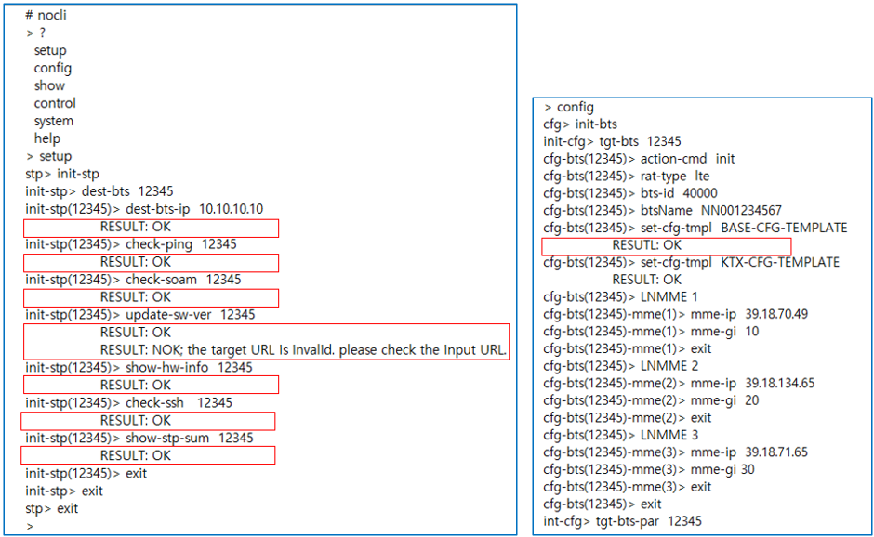
20 | 20

RU타입별_Para
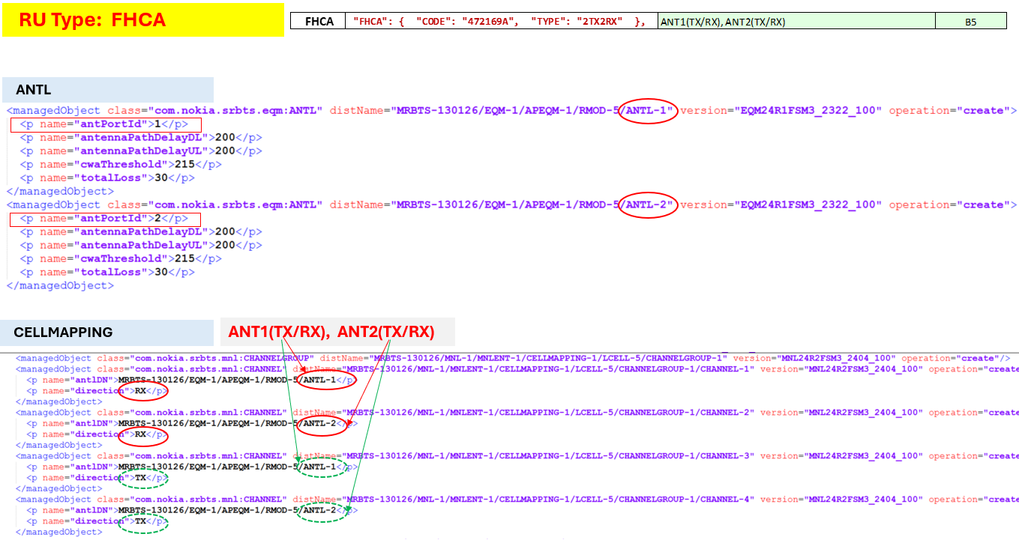
 |  |  | LGU+ Radio Info |  |  | RMOD- | LNCEL_FDD | LNCEL_FDD | LNCEL_FDD | LNCEL_FDD | LNCEL_FDD
 |  |  | Antenna Mapping Rule | 3-sector | Band Type | prodCodePlanned | dlChBw | ulChBw | earfcnDL | earfcnUL | pMax | COMMENT
 | AEQN | "AEQN": { "CODE": "474736A", "TYPE": "PHYANT" },
 | AEQY | "AEQY": { "CODE": "475538A", "TYPE": "PHYANT" },
 | AQQA | "AQQA": { "CODE": "475573A", "TYPE": "PHYANT" },
 | AQQL | "AQQL": { "CODE": "475732A", "TYPE": "PHYANT" },
 | AQQS | "AQQS": { "CODE": "475989A", "TYPE": "PHYANT" },
 | AQQT | "AQQT": { "CODE": "476339A", "TYPE": "PHYANT" },
 | AVQL | "AVQL": { "CODE": "475976A", "TYPE": "PHYANT" },
 | AZQG | "AZQG": { "CODE": "474994A", "TYPE": "8TX8RX" },
 | AZQL | "AZQL": { "CODE": "475130A", "TYPE": "8TX8RX" },
 | AZQH | "AZQH": { "CODE": "475074A", "TYPE": "8TX8RX" },
 | AZQS | "AZQS": { "CODE": "475664A", "TYPE": "8TX8RX" },
 | AHQK | "AHQK": { "CODE": "474919A", "TYPE": "8T8R" },
 | FRPB | "FRPB": { "CODE": "472752A", "TYPE": "6TX6RX" },
 | FRGT | "FRGT": { "CODE": "472810A", "TYPE": "3TX6RX" },
 | FXEA | "FXEA": { "CODE": "472084A", "TYPE": "3TX6RX" },
 | FXCA | "FXCA": { "CODE": "472142A", "TYPE": "3TX6RX" }, | ANT1(TX/RX), ANT2, ANT3(TX/RX), ANT4, ANT5, ANT6 |  | B5(850Mhz) | 472142A | 10 MHz | 10 MHz | 2600 | 20600 | 47.8dbm | Internal(pMax): 478
 | FXEB | "FXEB": { "CODE": "472501A", "TYPE": "3TX6RX" },
 | FRHA | "FRHA": { "CODE": "471894A", "TYPE": "3TX6RX" }, | ANT1(TX/RX), ANT2, ANT3(TX/RX), ANT4, ANT5, ANT6 |  | B7(2.6G) | 471894A | 20 MHz | 20 MHz | 3050 | 21050 | 47.8dbm | Internal(pMax): 478
 | AHEG | "AHEGG": { "CODE": "476123A", "TYPE": "4TX4RX" },
 | AHEG | "AHEGA": { "CODE": "473995A", "TYPE": "4TX4RX" },
 | AHCA | "AHCA": { "CODE": "473966A", "TYPE": "4TX4RX" }, | ANT1(TX/RX), ANT2, ANT3(TX/RX), ANT4 |  | B5(850Mhz) | 473966A | 10 MHz | 10 MHz | 2600 | 20600 | 47.8dbm | Internal(pMax): 478
 | FRHG | "FRHG": { "CODE": "473225A", "TYPE": "4TX4RX" },
 | FXCC | "FXCC": { "CODE": "472661A", "TYPE": "4TX4RX" },
 | AHDB | "AHDB": { "CODE": "474257A", "TYPE": "2TX4RX" },
 | FHDB | "FHDB": { "CODE": "472649A", "TYPE": "2TX2RX" },
 | FHEA | "FHEA": { "CODE": "472168A", "TYPE": "2TX2RX" },
 | FHEB | "FHEB": { "CODE": "472650A", "TYPE": "2TX2RX" },
 | FHEL | "FHEL": { "CODE": "473475A", "TYPE": "2TX2RX" },
황색 | FRCG | "FRCG": { "CODE": "473224A", "TYPE": "2TX2RX" }, | ANT1(TX/RX), ANT2(TX/RX) |  | B5(850Mhz) | 473224A | 10 MHz | 10 MHz | 2600 | 20600 | 43dbm | Internal(pMax): 430
 | FHCA | "FHCA": { "CODE": "472169A", "TYPE": "2TX2RX" }, | ANT1(TX/RX), ANT2(TX/RX) |  | B5(850Mhz) | 472169A | 10 MHz | 10 MHz | 2600 | 20600 | 43dbm | Internal(pMax): 430
 | FHCC | "FHCC": { "CODE": "472662A", "TYPE": "2TX2RX" },
 | FRHB | "FRHB": { "CODE": "472292A", "TYPE": "2TX2RX" }, | ANT1(TX/RX), ANT2(TX/RX) |  | B7(2.6G) | 472292A | 20 MHz | 20 MHz | 3050 | 21050 | 46dbm | Internal(pMax): 460
 | FHCB | "FHCB": { "CODE": "00065698", "TYPE": "2TX2RX" }, | ANT1(TX/RX), ANT2(TX/RX) |  | B5(850Mhz) | 65698 | 10 MHz | 10 MHz | 2600 | 20600 | 43dbm | Internal(pMax): 430
 | FRGY | "FRGY": { "CODE": "472854A", "TYPE": "2TX2RX" }, | ANT1(TX/RX), ANT2(TX/RX) |  | B1(2.1G) | 472854A | 20 MHz | 20 MHz | 100 | 18100 | 47.8dbm | FRGQ ?, Internal(pMax): 478
 | FRGP | "FRGP": { "CODE": "472100B", "TYPE": "2TX2RX" }, | ANT1(TX/RX), ANT2, ANT3(TX/RX), ANT4, ANT5, ANT6 |  | B1(2.1G) | 472100A | 20 MHz | 20 MHz | 100 | 18100 | 47.8dbm | FRGT ?, Internal(pMax): 478
 | FXFA | "FXFA": { "CODE": "472166A", "TYPE": "2TX2RX" },
 | FHEC | "FHEC": { "CODE": "00068817", "TYPE": "2T2R" }
 | FHCG | CODE: 473377A | ANT1(TX/RX), ANT2(TX/RX) |  | B5(850Mhz) | 473377A | 10 MHz | 10 MHz | 2600 | 20600 | 46dbm | Internal(pMax): 460
 | AHGA | CODE: 474254A | ANT1(TX/RX), ANT2, ANT3(TX/RX), ANT4 |  | B1(2.1G) | 474254A | 20 MHz | 20 MHz | 100 | 18100 | 47.8dbm | FRGT ?, Internal(pMax): 478
 | FRGQ | CODE: 472261A | ANT1(TX/RX), ANT2(TX/RX) |  | B1(2.1G) | 472261A | 20 MHz | 20 MHz | 100 | 18100 | 46dbm | FRGY ?, FRGP ?, FRGT ?

황색 | FHCG | CODE: 473377A | ANT1(TX/RX), ANT2(TX/RX) |  | B1(2.1G) | 473377A | 20 MHz | 20 MHz | 100 | 18100 | 46dbm | Internal(pMax): 460
황색 | FHCG | CODE: 473377A | ANT1(TX/RX), ANT2(TX/RX) |  | B7(2.6G) | 473377A | 20 MHz | 20 MHz | 3050 | 21050 | 46dbm | Internal(pMax): 460
 | NBIOT_CELL | N/A | N/A |  | N/A | N/A | 0.2 MHz | 0.2 MHz | N/A | N/A | N/A

Work Flow(new)
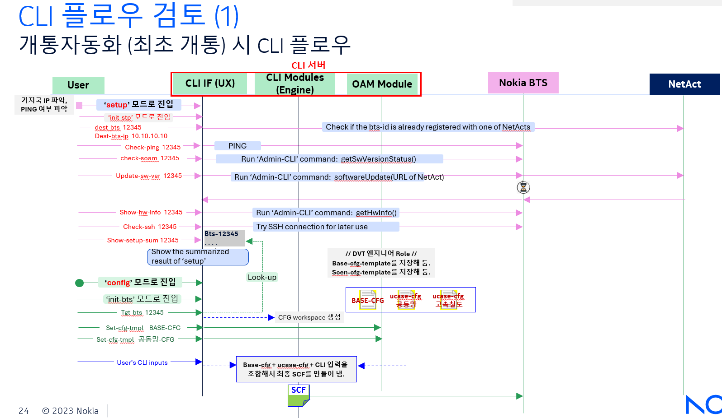
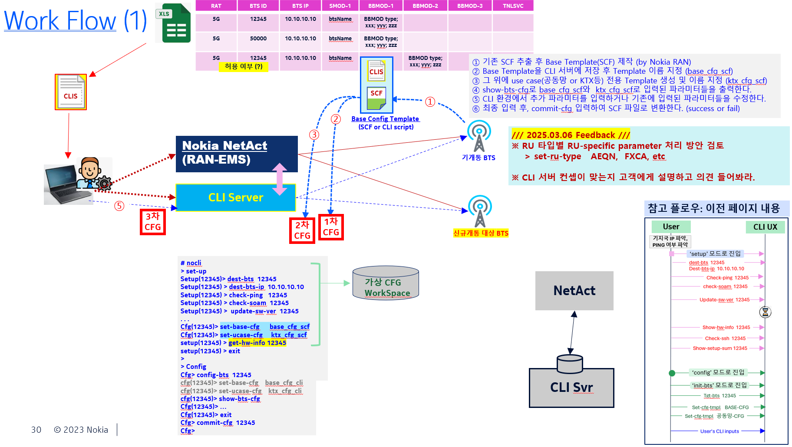

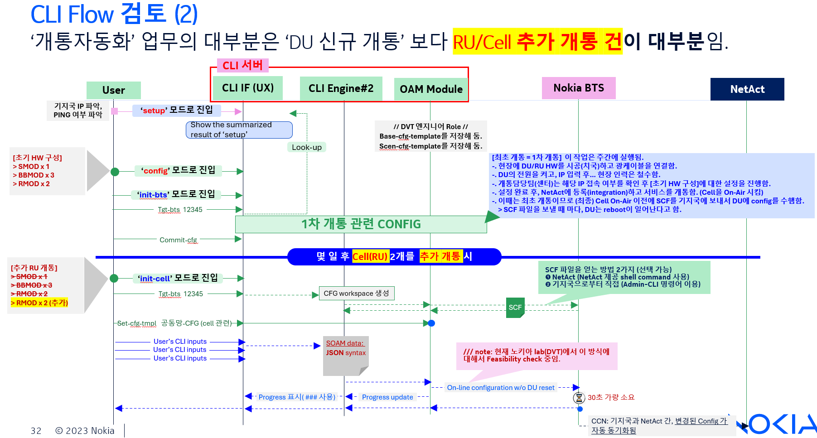

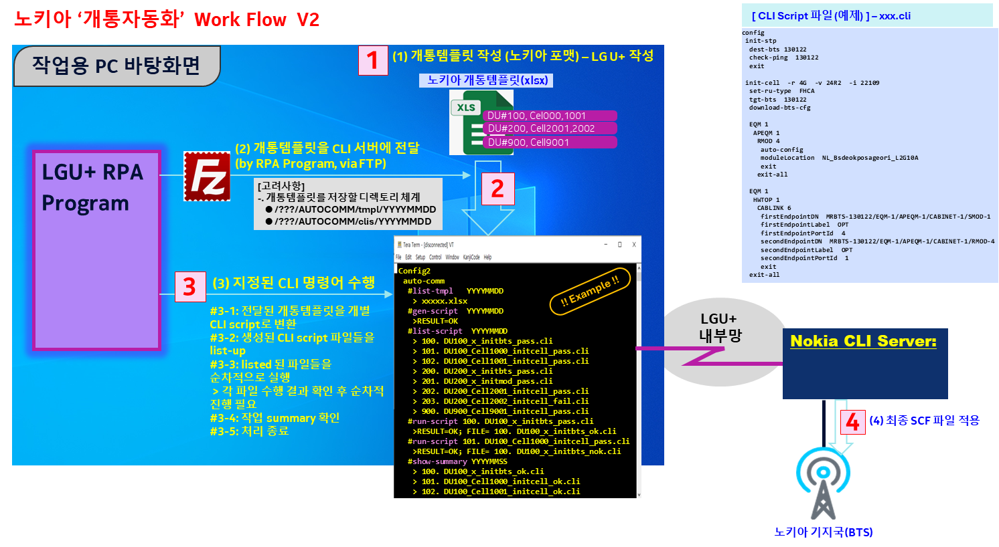

NQA
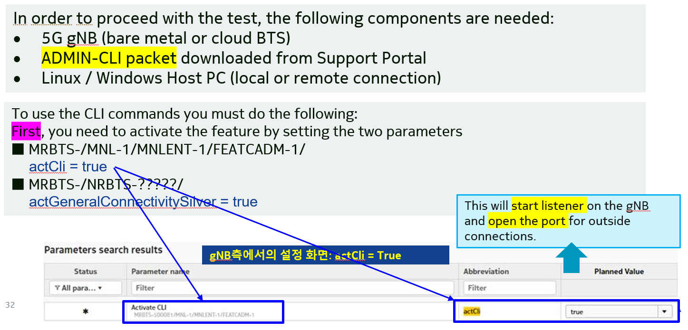
NQA: NetAct Query Agent

Admin-CLI CMD
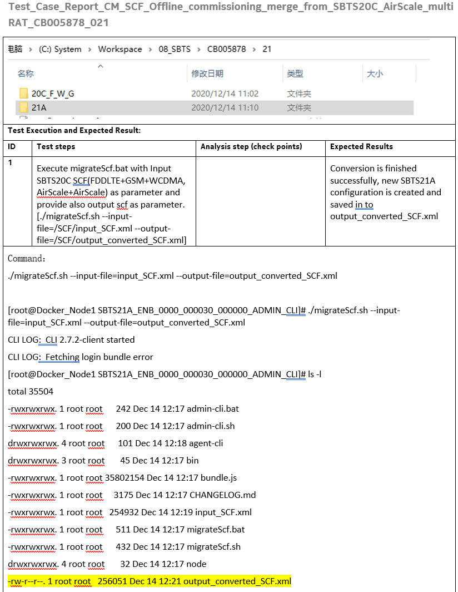
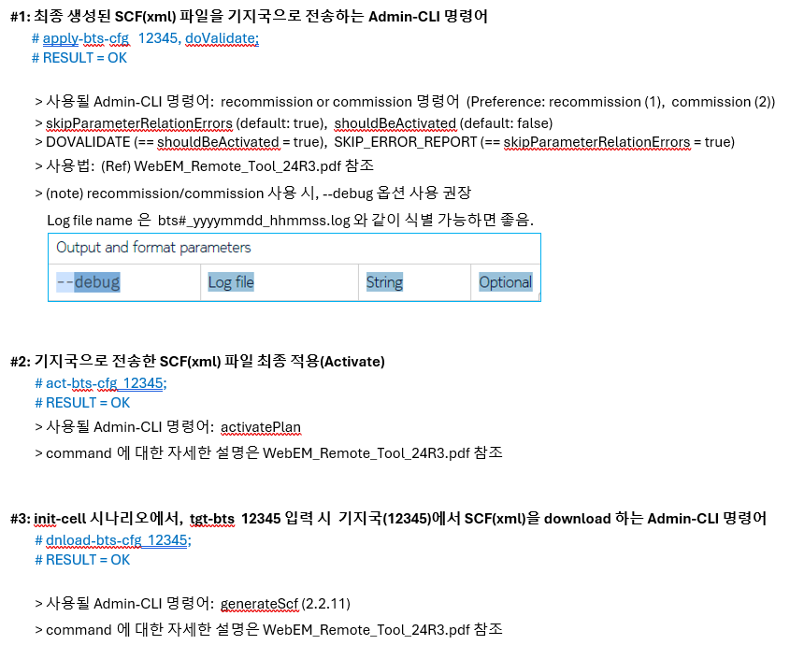
각 라디오 버젼 별로 SCF를 변환해 주는 CLI command를 사용할 것인가?

CMDSET_Tree
# nocli
 | setup | /// newly added to set up the environment and pre-conditions prior to 'config' mode
 | config
 | show
 | control
 | system | sys-cfg
 | help

 | setup | init-stp | # 개통자동화용 셋업 절차
 |  | reloc-stp | # 포트재배치용 셋업 절차

 | config | para-scf | # a general mode to handle wide range of BTS parameters allowed in the system and generate a SCF file as a result
 |  | para-soam | # a general mode to handle wide range of BTS parameters allowed in the system and apply the changes to a BTS using SOAM interface
 |  | init-bts | # a specific mode to process the scenario, Initialize BTS and Make the BTS up and running
 |  | init-cell | # a specific mode to process a scenario, where additional cells(RUs) are set up on a previously initialized or currently running BTS (in RU reset-free way)

 |  | global | global configuration parameters
 |  |  | (1) (e.g. Default Admin-CLI ver vs. BTS-specific Admin-CLI version
 |  |  | (2) File location of Admin-CLI program for each version (Management of multiple Admin-CLI executables)

 | config-x | auto-comm
 |  | mig-bts | # a specific mode to process the scenario, Migrate BTS
 |  | reloc-bts | # a specific mode to process the scenario, Relocate BTS

# nocli
> ?
> List of Nokia CLI commands
config: to configure Nokia BTS parameters
show: to show the statistical information about Nokia BTS
control: to control Nokia BTS and to change the operational state of the BTS
system: to configure the system-level parameters such as NTP server, a group of NetAct IP address, etc
help: to display the allowed command at the current command level.
> config ?
config para-scf: to configure mrbts parameters and apply in SCF file
config para-soam: to configure mrbts parameters and apply in SOAM/JSON format
config init-bts: to configure initial bts with minimum # of cells
config migrate-bts: to plot the scenario of BTS migration for LTE and 5G
config relocate-bts: to plot the scenario of BTS relocation for LTE and 5G
> Config para
cfgp> ?
mrbts: id(tag) of the current config container. id is set to a random value by the cli engine, unless not explicitly assigned. to enter the configuration mode for MOC ‘com.nokia.srbts:MRBTS’.
btsName:
confp> mrbts 12345

CMDSET_InitBTS_LTE
# command 키워드가 MO 이면 Next Level로 이동하고... MO가 아닌 하위 Data 이면(e.g. list 등) 파라미터를 붙여서 쓰도록 하자.
예로, 다음과 같은 MO에서
MRBTS-540002/TNLSVC-1/TNL-1/IPNO-1/IPRT-1 :: staticRoutes / gateway
MRBTS-540002/TNLSVC-1/TNL-1/IPNO-1/IPRT-1 :: staticRoutes / destinationIpPrefixLength
MRBTS-540002/TNLSVC-1/TNL-1/IPNO-1/IPRT-1 :: staticRoutes / destIpAddr
MRBTS-540002/TNLSVC-1/TNL-1/IPNO-1/IPRT-1 :: staticRoutes / gateway
MRBTS-540002/TNLSVC-1/TNL-1/IPNO-1/IPRT-1 :: staticRoutes / preference
MRBTS-540002/TNLSVC-1/TNL-1/IPNO-1/IPRT-1 :: staticRoutes / preSrcIpv4Addr
> cfg-mig-bts(540002)> ipif 1 => IPIF는 MO임
> cfg-mig-bts(540002)-ipif(1)> list staticRoutes 1 gateway 10.49.132.33
> cfg-mig-bts(540002)-ipif(1)> list staticRoutes 1 destIpAddr 10.100.0.1
> cfg-mig-bts(540002)-ipif(1)> list staticRoutes 2 gateway 10.50.10.1
> cfg-mig-bts(540002)-ipif(1)> list staticRoutes 2 destIpAddr 10.100.0.1
 |  | SCENARIO #1.4 | ( Initial Commissioning )
# nocli
???>
 | config
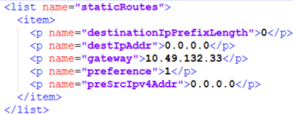
List #1
List #2
 |  | init-bts
 |  |  | action-cmd [ init | del ]
 |  |  | rat-type [ 4g | 5g ]
 |  |  | set-ref-cfg 4G_DU20_Ref_20250201.xml
 |  |  | source
 |  |  |  | mrbts 131328 |  | # 불필요 #
 |  |  |  | bts-id 131328 |  | # 불필요 #
 |  |  |  | cell-id 16391 |  | # 불필요 #

 |  |  | del-tgt-bts 20000

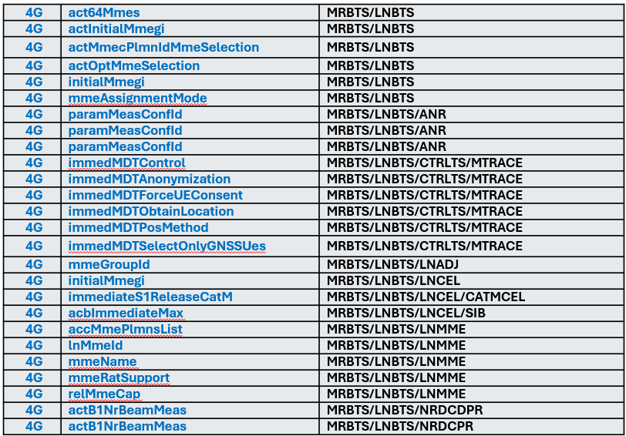
 |  |  | tgt-bts 20000 |  | ## refers to MRBTS-20000 | /// MRBTS-12345/NRBTS-12345 (NRBTS-xxxx MO 생성; 하위 파리미터 생성(defaul값))
 |  |  | ## cfg-bts(20000)> |  |  | 해당 MO 밑에 있는 config를 보여준다. ( nrbts(12345) 아래에서 설정되어 있는 config를 보여줌)
 |  |  |  | show-cfg |  | 이미 loaded 상태면, 기존 config를 보여준다.
 |  |  |  | bts-id 40000 | ## refers to MRBTS-20000/LNBTS-40000
 |  |  |  | btsName NN001234567

 |  |  |  | LNMME 1* |  | /// LTE용 MME 설정 방법(파라미터)가 정확히 파악되진 않음. ※ 오른쪽은 MME로 검색된 관련 파라미터들 ===>>>
 |  |  |  |  | mme-ip 39.18.70.49 | /// 가상의 MME 설정 정보
 |  |  |  |  | mme-gi 1 | /// MME Group-Id (GI)
 |  |  |  | LNMME 2*
 |  |  |  |  | mme-ip 39.18.134.65
 |  |  |  | LNMME 3*
 |  |  |  |  | mme-ip 39.18.71.65

 |  |  | tgt-bts-para 20000
 |  |  | /// 01.05 : MIG_4G 시트 참고 | EQM 1 APEQM 1 | // optional (fixed string) | # default value (1) at all times |  | ※ EQM-1/APEQM-1
 |  |  |  | ## cfg-bts(20000)-eqm(1)> | moduleLocation E0255 Pitt | # this value is used in several subordinate MOs.

 |  |  |  | TNVSVC 1

 |  |  |  | TNLSVC 1 TNL 1 IPNO 1 | // fixed string
 |  |  |  | ## cfg-bts(20000)-ipno(1)> | IPIF 1*
 |  |  |  |  | ## cfg-bts(20000)-ipno(1)-ipif(1)> | IPADDRESSV4 1 |  | ※ TNLSVC-1/TNL-1/IPNO-1/IPIF-1/IPADDRESSV4-1
 |  |  |  |  |  | ## cfg-bts(20000)-ipno(1)-ipif(1)-ipaddress4(1)> | localIpAddr 10.49.132.34
 |  |  |  |  |  |  | localIpPrefixLength 29
 |  |  |  |  |  | IPADDRESSV4 2 | /// 이론적으로 가능하나 쓰이는 예제는 못 찾음.
 |  |  |  |  |  |  | localIpAddr 10.50.10.1
 |  |  |  |  | IPIF 2* | IPADDRESSV4 1 | /// MO
 |  |  |  |  |  | ## cfg-bts(20000)-ipno(1)-ipif(2)-ipaddress4(1)> | localIpAddr 10.48.16.133

<managedObject class="com.nokia.srbts.tnl:IPADDRESSV4" version="TNL22R2_2113_100" distName="MRBTS-540002/TNLSVC-1/TNL-1/IPNO-1/IPIF-1/IPADDRESSV4-1" operation="create">
<p name="ipAddressAllocationMethod">MANUAL</p>
<p name="localIpAddr">10.49.132.34</p>
<p name="localIpPrefixLength">29</p>
</managedObject>
<managedObject class="com.nokia.srbts.tnl:IPADDRESSV4" version="TNL22R2_2113_100" distName="MRBTS-540002/TNLSVC-1/TNL-1/IPNO-1/IPIF-2/IPADDRESSV4-1" operation="create">
<p name="ipAddressAllocationMethod">MANUAL</p>
<p name="localIpAddr">10.48.16.133</p>
</managedObject>
 |  |  |  |  | IPRT 1* |  |  | ※ TNLSVC-1/TNL-1/IPNO-1/IPRT-1
 |  |  |  |  | ## cfg-bts(20000)-ipno(1)-iprt(1)> | list staticRoutes 1 gateway 10.49.132.33 |  | /// list 형 parameter (staticRoutes)
 |  |  |  |  |  | list staticRoutes 1 routeIpMtu 1510 |  | /// list 형 parameter (staticRoutes)
 |  |  |  |  |  | list staticRoutes 1 destIpAddr 10.100.0.1 |  | /// list 형 parameter (staticRoutes)
 |  |  |  |  |  | list staticRoutes 2 gateway 10.50.10.1 |  | /// list 형 parameter (staticRoutes) #2
 |  |  |  |  |  | list staticRoutes 2 destIpAddr 10.100.0.1 |  | /// list 형 parameter (staticRoutes) #2
 |  |  |  |  |  | list staticRoutes 2 routeIpMtu 1510 |  | /// list 형 parameter (staticRoutes) #2

<managedObject class="com.nokia.srbts.eqm:SMOD" version="EQM22R2_2112_200" distName="MRBTS-540002/EQM-1/APEQM-1/CABINET-1/SMOD-1" operation="create">
<p name="climateControlOcxoTemperatureLearning">false</p>
<p name="climateControlProfiling">Optimized Cooling</p>
<p name="moduleLocation">E0255 Pitt</p>
<p name="positionInSubrack">LeftSide</p>
<p name="prodCodePlanned">473095A</p>
</managedObject>
 |  |  |  |  | IPRTV6 1* | (Optional) |  | ※ TNLSVC-1/TNL-1/IPNO-1/IPRTV6-1 | destIpv6Addr destinationIpv6PrefixLength gatewayIpv6Addr preSrcIpv6Addr preference routeIpMtu triggerDN
 |  |  |  |  | ## cfg-bts(20000)-ipno(1)-iprtv6(1)> | list staticIpv6Routes 1 destIpv6Addr x:x:x:x:x:x:x:x |  | eg) 2001:odb8:0000:1111:a717:cafe:fade:2132 (hex-tat)
 |  |  |  |  |  | list staticIpv6Routes 1 destinationIpv6PrefixLength 64
 |  |  |  |  |  | list staticIpv6Routes 1 gatewayIpv6Addr y:y:y:y:y:y:y:y
 |  |  |  |  |  | list staticIpv6Routes 1 preSrcIpv6Addr y:y:y:y:y:y:y:y
 |  |  |  |  |  | list staticIpv6Routes 1 preference ???
 |  |  |  |  |  | list staticIpv6Routes 1 routeIpMtu ???
 |  |  |  |  |  | list staticIpv6Routes 1 triggerDN ???
 |  |  |  |  |  | list staticIpv6Routes 2 destIpv6Addr x:x:x:x:x:x:x:x
 |  |  |  |  |  | list staticIpv6Routes 2 destinationIpv6PrefixLength 64
 |  |  |  |  |  | list staticIpv6Routes 2 gatewayIpv6Addr y:y:y:y:y:y:y:y

 |  |  |  | MNL 1 MNLENT 1 SYNC 1 |  |  |  | ※ MNL-1/MNLENT-1/SYNC-1 MO 생성
 |  |  |  | ## cfg-bts(20000)-sync(1)> | CLOCK 1* |  |  | ※ MNL-1/MNLENT-1/SYNC-1/CLOCK-1" 생성
 |  |  |  |  |  |  |  | <Possible Choices> GPS : 1pps/ToD from external GNSS receiver Master : 1pps/ToD from Sync Hub Master TOPP : 1pps/ToD from backplane
 |  |  |  |  |  | list syncInputList 1 syncInputPrio 1 |  | /// list 형 parameter (syncInputList)
 |  |  |  |  |  | list syncInputList 1 syncInputType GPS
<list name="syncInputList">
<item>
<p name="syncInputPrio">1</p>
<p name="syncInputType">1pps/ToD from external GNSS receiver</p>
</item>
<item>
<p name="syncInputPrio">2</p>
<p name="syncInputType">TOPP</p>
</item>
<p name="syncInputPrio">3</p>
<p name="syncInputType">1pps/ToD from Sync Hub Master</p>
</item>
</list>
 |  |  |  |  |  | list syncInputList 2 syncInputPrio 2
 |  |  |  |  |  | list syncInputList 2 syncInputType Master
 |  |  |  |  |  | list syncInputList 3 syncInputPrio 3
 |  |  |  |  |  | list syncInputList 3 syncInputType TOPP

 |  |  |  |  |  | totalDelayFromSHM | ??? | // optional

 |  |  |  |  |  | GNSSE 1* |  | /// MO /SYNC-1/CLOCK-1/GNSSE-1
 |  |  |  |  |  | ## cfg-bts(20000)-sync(1)-gnsse(1)> | gnssLineDelay 519

 |  |  |  |  |  | TOPP 1* |  | /// MO: /SYNC-1/CLOCK-1/TOP-1/TOPP-1
 |  |  |  |  |  | ## cfg-bts(20000)-sync(1)-topp(1)> | masterIpAddr 100.99.255.65

 |  |  |  | SMOD 1* |  | ※ EQM-1/APEQM-1/CABINET-1/SMOD-1
 |  |  |  | ## cfg-bts(20000)-smod(1)> | prod-name ASIL | the value of prod-name is used to match (SMOD::prodCodePlanned)
 |  |  |  |  | (prodCodePlanned 475765A) | EQM-1/APEQM-1/CABINET-1/SMOD-1::prodCodePlanned
 |  |  |  |  | exit

 |  |  |  | BBMOD 1* |  | ※ EQM-1/APEQM-1/CABINET-1/BBMOD-1
 |  |  |  | ## cfg-bts(20000)-bbmod(1)> | prod-name ABIO | the value of prod-name is used to match (BBMOD::prodCodePlanned)
 |  |  |  |  | (prodCodePlanned 475792A) | EQM-1/APEQM-1/CABINET-1/BBMOD-1::prodCodePlanned
 |  |  |  |  | exit
 |  |  |  | BBMOD 2* | // same as above
 |  |  |  | BBMOD 3* | // same as above

 |  |  |  | RMOD 13* |  | cf) rmod auto: select the next earliest # available from the RMOD-# pool.
 |  |  |  |  |  | 즉, ?(물음표) 엽력 시, 입력 가능한 RMOD-#를 20개만 보여준다.
 |  |  |  |  | prod-name AEQN | the value of model-type is used to match (RMOD::prodCodePlanned)
 |  |  |  |  | (prodCodePlanned 476339A) | <p name="prodCodePlanned">476339A</p>
 |  |  |  |  | moduleLocation NUTJ14811N | <p name="moduleLocation">NUTJ14811N</p>
 |  |  |  |  | energySavingMode NORMAL

<managedObject class="com.nokia.srbts.eqm:CABLINK" distName="MRBTS-131297/EQM-1/HWTOP-1/CABLINK-16" version="EQM24R2_2404_120" operation="create">
<p name="firstEndpointDN">MRBTS-131297/EQM-1/APEQM-1/CABINET-1/BBMOD-3</p>
<p name="firstEndpointLabel">OPT</p>
<p name="firstEndpointPortId">1</p>
<p name="iqCompression">eCPRI IQ9_E7</p>
<p name="linkSpeed">eCpri25</p>
<p name="radioProtocolType">eCPRI</p>
<p name="secondEndpointDN">MRBTS-131297/EQM-1/APEQM-1/RMOD-13</p>
<p name="secondEndpointLabel">SFP</p>
<p name="secondEndpointPortId">1</p>
</managedObject>
 |  |  |  | EQM 1 HWTOP 1
 |  |  |  | ## cfg-bts(20000)-hwtop(1)> | CABLINK 4* | MRBTS-131297/EQM-1/HWTOP-1
 |  |  |  |  |  | firstEndpointDN bbmod-3 | <p name="firstEndpointDN">MRBTS-131297/EQM-1/APEQM-1/CABINET-1/BBMOD-3</p>
 |  |  |  |  |  | firstEndpointLabel SFP | <p name="firstEndpointLabel">OPT</p>
 |  |  |  |  |  | firstEndpointPortId 1 | <p name="firstEndpointPortId">1</p>
 |  |  |  |  |  | linkSpeed eCpri25
 |  |  |  |  |  | radioProtocolType eCPRI
 |  |  |  |  |  | secondEndpointDN rmod-13 | <p name="secondEndpointDN"> MRBTS-131297/EQM-1/APEQM-1/RMOD-13 </p>
 |  |  |  |  |  | secondEndpointLabel SFP | <p name="secondEndpointLabel">SFP</p>
 |  |  |  |  |  | secondEndpointPortId 1 | <p name="secondEndpointPortId">1</p>

 |  |  |  |  | CABLINK ? | list up the available id up to 20 entries
 |  |  |  |  | CABLINK @ | (auto selection)
<managedObject class="com.nokia.srbts.mnl:TCE" distName="MRBTS-131297/MNL-1/TCEADM-1/TCE-1" version="MNL24R2_2404_110" operation="create">
<p name="certTypeForTlsAuth">RSA</p>
<p name="tceIdentifier">1</p>
<p name="tceIpAddress">10.16.39.201</p>
<p name="tcePortNumber">49148</p>
<p name="tlsEnabled">false</p>
 |  |  |  | LNBTS 40000 |  |  | MRBTS-20000/LNBTS-40000
 |  |  | <choice> cfg-lnbts(40000) | ## cfg-bts(20000)-ln(40000)> | LNCEL 123* |  | MRBTS-20000/LNBTS-40000/LNCEL-123
 |  |  | <choice> cfg-nrbts(40000) |  | ## cfg-bts(20000)-ln(40000)-lncel(123)>
 |  |  |  |  |  | lcrId 1 | (Mandatory) | (고려사항: auto assign => lcrId #
 |  |  |  |  |  | physCellId 249 | (Mandatory)

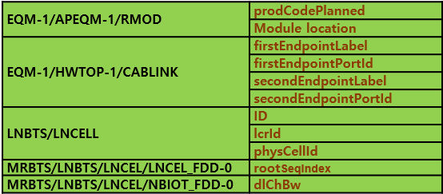
<managedObject class="com.nokia.srbts.nrbts:NRMTRACECU" distName="MRBTS-131297/NRBTS-131297/NRCTRLTS-1/NRMTRACECU-1" version="NRBTSCL24R2_2404_130" operation="create">
<p name="actCellTraceReportingCU">true</p>
<list name="immedMDTUEMeas">
<item>
<p name="mdtMeasType">periodic</p>
<p name="reportAmount">r4</p>
<p name="reportInterval">ms10240</p>
<p name="rrmEventTriggeredMeas">false</p>
</item>
</list>
<list name="nrRanTraceReference">
<item>
<p name="mcc">450</p>
<p name="mnc">8</p>
<p name="mncLength">2</p>
<p name="traceId">131297</p>
</item>
</list>
</managedObject>
 |  |  |  |  |  | cellName AHEGG_A | (Optional)

 |  |  |  |  |  | LNCEL_FDD 0* |  | MRBTS/LNBTS/LNCEL/LNCEL_FDD-0
 |  |  |  |  |  | ## cfg-bts(20000)-ln(40000)-lncel(123)-lncelfdd(0)> | rootSeqIndex 182 | <p name="rootSeqIndex">182</p>
 |  |  |  |  |  |  | eixt

 |  |  |  |  |  | NBIOT_FDD 0* |  | MRBTS/LNBTS/LNCEL/NBIOT_FDD-0
 |  |  |  |  |  | ## cfg-bts(20000)-ln(40000)-lncel(123)-nbiotfdd(0)> | dlChBw 10 | NBIOT_FDD-0::dlChBw

 |  |  |  |  |  | fPdcchMonOccsnPo true
 |  |  |  |  |  | actVoipCovBoostEnh on_ttib_entry_BLER_SINR_based | (Optional)

 |  |  | /// common IF 설정을 여기서 하는 | TNLSVC 1 TNL 1 ETHSVC 1 | // fixed string
 |  |  | 이유를 모르겠음 !!! | ## cfg-bts(20000)-ethsvc(1)> | ETHIF 1*
 |  |  |  |  | ## cfg-bts(20000)-ethsvc(1)-ethif(1)> | VLANIF 1 |  | ※ TNLSVC-1/TNL-1/ETHSVC-1/ETHIF-1/VLANIF-1
 |  |  |  |  |  | ## cfg-bts(20000)-ipno(1)-ipif(1)-ipaddress4(1)> | vlanId 1

<managedObject class="com.nokia.srbts.tnl:ETHIF" distName="MRBTS-131297/TNLSVC-1/TNL-2/ETHSVC-1/ETHIF-1" version="TNL24R2_2404_110" operation="create">
<p name="linkSelectorDN">MRBTS-131297/TNLSVC-1/TNL-2/ETHSVC-1/ETHLK-1</p>
</managedObject>
<managedObject class="com.nokia.srbts.tnl:VLANIF" distName="MRBTS-131297/TNLSVC-1/TNL-2/ETHSVC-1/ETHIF-1/VLANIF-1" version="TNL24R2_2404_110" operation="create">
<p name="vlanId">1</p>
</managedObject>
<managedObject class="com.nokia.srbts.tnl:ETHIF" distName="MRBTS-131297/TNLSVC-1/TNL-2/ETHSVC-1/ETHIF-2" version="TNL24R2_2404_110" operation="create">
<p name="linkSelectorDN">MRBTS-131297/TNLSVC-1/TNL-2/ETHSVC-1/ETHLK-2</p>
</managedObject>
<managedObject class="com.nokia.srbts.tnl:VLANIF" distName="MRBTS-131297/TNLSVC-1/TNL-2/ETHSVC-1/ETHIF-2/VLANIF-1" version="TNL24R2_2404_110" operation="create">
<p name="vlanId">2</p>
</managedObject>
 |  |  |  |  | ETHIF 2*
 |  |  |  |  | ## cfg-bts(20000)-ethsvc(1)-ethif(2)> | VLANIF 1
 |  |  |  |  |  | ## cfg-bts(20000)-ipno(1)-ipif(1)-ipaddress4(1)> | vlanId 2

 |  |  |  |  | L2SWI 1* | (optional) |  | /// 어느때 사용하는지는 모름 (샘플 파일에 있었음)
 |  |  |  |  |  | IBRGPRT 1*
 |  |  |  |  |  |  | <p name="portDefaultVlanId">1</p>
 |  |  |  |  |  |  | <p name="portDefaultVlanPriority">0</p>
 |  |  |  |  |  |  | exit
 |  |  |  |  |  | PCP2qMAP 1*
 |  |  |  |  |  |  | <p name="queueForPcp0">BE</p> <p name="queueForPcp1">AF2</p> <p name="queueForPcp2">AF2</p> <p name="queueForPcp3">AF2</p> <p name="queueForPcp4">AF3</p> <p name="queueForPcp5">EF</p> <p name="queueForPcp6">AF4</p> <p name="queueForPcp7">EF</p>
 |  |  |  |  |  | exit
 |  |  |  |  | exit

<managedObject class="com.nokia.srbts.mnl:NTP" version="MNL22R2_2113_100" distName="MRBTS-540002/MNL-1/MNLENT-1/SYNC-1/CLOCK-1/NTP-1" operation="create">
<p name="maxNtpTimeError">200</p>
<p name="ntpAlarmingThreshold">300</p>
<p name="ntpDscp">46</p>
<list name="ntpServerIpAddrList">
<p>172.25.166.66</p>
<p>172.25.155.225</p>
</list>
<p name="utcGpsNtpOffsetAfter">18</p>
<p name="utcGpsNtpOffsetBefore">17</p>
<p name="utcGpsNtpOffsetChangeDate">2016-12-31</p>
</managedObject>
 |  |  |  | MNL 1 MNLENT 1 SYNC 1
 |  |  |  |  | CLOCK 1*
 |  |  |  |  |  | NTP 1* |  | MRBTS/MNL-1/MNLENT-1/SYNC-1/CLOCK-1/NTP-1
 |  |  |  |  |  |  | list ntpServerIpAddrList 0 p 172.25.166.66 | (mandatory)
 |  |  |  |  |  |  | list ntpServerIpAddrList 0 p 172.25.155.225 | (mandatory)
 |  |  |  |  |  |  | maxNtpTimeError 200 | (optional)
 |  |  |  |  |  |  | ntpAlarmingThreshold 300 | (optional)
 |  |  |  |  |  |  | ntpDscp 46 | (optional)
 |  |  |  |  | exit | exit | exit
 |  |  |  | MNL 1 MNLENT 1 CELLMAPPING 1
 |  |  |  |  | LCELL 1*
 |  |  |  |  |  | CHANNELGROUP 1
<managedObject class="com.nokia.srbts.mnl:CHANNEL" version="MNL22R2_2113_100" distName="MRBTS-540002/MNL-1/MNLENT-1/CELLMAPPING-1/LCELL-1/CHANNELGROUP-1/CHANNEL-1" operation="create">
<p name="antlDN">MRBTS-540002/EQM-1/APEQM-1/RMOD-10/ANTL-37</p>
<p name="direction">TX</p>
</managedObject>
<managedObject class="com.nokia.srbts.mnl:CHANNEL" version="MNL22R2_2113_100" distName="MRBTS-540002/MNL-1/MNLENT-1/CELLMAPPING-1/LCELL-1/CHANNELGROUP-1/CHANNEL-2" operation="create">
<p name="antlDN">MRBTS-540002/EQM-1/APEQM-1/RMOD-10/ANTL-39</p>
<p name="direction">TX</p>
</managedObject>
<managedObject class="com.nokia.srbts.mnl:CHANNEL" version="MNL22R2_2113_100" distName="MRBTS-540002/MNL-1/MNLENT-1/CELLMAPPING-1/LCELL-1/CHANNELGROUP-1/CHANNEL-3" operation="create">
<p name="antlDN">MRBTS-540002/EQM-1/APEQM-1/RMOD-10/ANTL-38</p>
<p name="direction">TX</p>
</managedObject>
<managedObject class="com.nokia.srbts.mnl:CHANNEL" version="MNL22R2_2113_100" distName="MRBTS-540002/MNL-1/MNLENT-1/CELLMAPPING-1/LCELL-1/CHANNELGROUP-1/CHANNEL-4" operation="create">
<p name="antlDN">MRBTS-540002/EQM-1/APEQM-1/RMOD-10/ANTL-40</p>
<p name="direction">TX</p>
</managedObject>
<managedObject class="com.nokia.srbts.mnl:CHANNEL" version="MNL22R2_2113_100" distName="MRBTS-540002/MNL-1/MNLENT-1/CELLMAPPING-1/LCELL-1/CHANNELGROUP-1/CHANNEL-5" operation="create">
<p name="antlDN">MRBTS-540002/EQM-1/APEQM-1/RMOD-10/ANTL-37</p>
<p name="direction">RX</p>
</managedObject>
<managedObject class="com.nokia.srbts.mnl:CHANNEL" version="MNL22R2_2113_100" distName="MRBTS-540002/MNL-1/MNLENT-1/CELLMAPPING-1/LCELL-1/CHANNELGROUP-1/CHANNEL-6" operation="create">
<p name="antlDN">MRBTS-540002/EQM-1/APEQM-1/RMOD-10/ANTL-39</p>
<p name="direction">RX</p>
</managedObject>
<managedObject class="com.nokia.srbts.mnl:CHANNEL" version="MNL22R2_2113_100" distName="MRBTS-540002/MNL-1/MNLENT-1/CELLMAPPING-1/LCELL-1/CHANNELGROUP-1/CHANNEL-7" operation="create">
<p name="antlDN">MRBTS-540002/EQM-1/APEQM-1/RMOD-10/ANTL-38</p>
<p name="direction">RX</p>
</managedObject>
<managedObject class="com.nokia.srbts.mnl:CHANNEL" version="MNL22R2_2113_100" distName="MRBTS-540002/MNL-1/MNLENT-1/CELLMAPPING-1/LCELL-1/CHANNELGROUP-1/CHANNEL-8" operation="create">
<p name="antlDN">MRBTS-540002/EQM-1/APEQM-1/RMOD-10/ANTL-40</p>
<p name="direction">RX</p>
</managedObject>
 |  |  |  |  |  |  | CHANNEL 1*
 |  |  |  |  |  |  |  | antlDN MRBTS-xxxx/EQM-1/APEQM-1/RMOD-1/ANTL-1
 |  |  |  |  |  |  |  | direction [ TX | RX ]
 |  |  |  |  |  |  | CHANNEL 2*
 |  |  |  |  |  |  |  | antlDN MRBTS-xxxx/EQM-1/APEQM-1/RMOD-1/ANTL-2
 |  |  |  |  |  |  |  | direction [ TX | RX ]
 |  |  |  |  |  |  | CHANNEL 3*
 |  |  |  |  |  |  | CHANNEL 4*
 |  |  |  |  |  |  | CHANNEL 5*
 |  |  |  |  |  |  | CHANNEL 6*
 |  |  |  |  |  |  | CHANNEL 7*
 |  |  |  |  |  |  | CHANNEL 8*
 |  |  |  |  | exit | exit | exit | exit

 |  | SCENARIO #1.4.A | MO: CAREL | 용도(목적): 셀 추가 시, 사용 ?
 |  | >> LNCEL / CAREL (주파수 대역별 CA 구성에 필요)
 |  | >> MRBTS-xxxxxx/LNBTS-xxxxxx/LNCEL-xxxx/CAREL-x

 |  |  |  | LNBTS 40000 |  |  | MRBTS-20000/LNBTS-40000
 |  |  |  | ## cfg-bts(20000)-ln(40000)> | LNCEL 123* |  | MRBTS-20000/LNBTS-40000/LNCEL-123
 |  |  |  |  | ## cfg-bts(20000)-ln(40000)-lncel(123)> | CAREL 1* | MRBTS-20000/LNBTS-40000/LNCEL-123/CAREL-x |  | caRelId = 1; Carrier aggregation relation identifier

 |  |  |  |  |  | // 이중에서 필수 파라미터는 ? | lcrId 16 |  | // Local cell resource ID of cell to be aggregated
 |  |  |  |  |  | // 각 파라미터 간의 연관 관계는? | lnBtsId 444000 |  | // Parent eNB BTS-ID of the cell to be aggregated
 |  |  |  |  |  |  | maxNumOfSuppzMimoLayer 2 |  | // Maximum number of supported MINO layers
 |  |  |  |  |  |  | pcellSwapAllowed true |  | // PCell swap allowed
 |  |  |  |  |  |  | scellPrio 1 |  | // Scell priority

InitCell_LTE
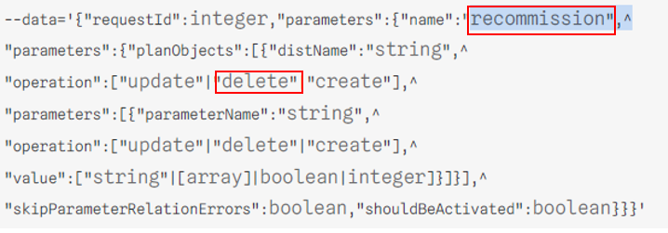

 |  | SCENARIO #2.4 (Follow-up Commissioning)
# noccli
???>
 | config
 |  | init-cell
 |  |  | rat-type [ 4g | 5g ]
 |  |  | tgt-bts 20000 |  |  |  |  |  | /// noc-cli should read run-time config from the target-BTS. (2) GET IP address of BTS-20000 from NetAct
 |  |  | RESULT: [OK | NOK] |  |  |  |  |  | /// pre-condidtion: BTS-20000 should be integrated with NetAct.

 |  |  | set-cfg-tmpl 공동망-CFG
 |  |  | set-cfg-tmpl KTXslow-CFG

 |  |  | no tgt-bts 20000 |  |  |  |  |  | /// distroy the config workspace alloctaed to BTS-20000
 |  |  | exit

 |  |  | show-ru-sts 20000 |  |  |  |  |  | /// read RU/Cell Status from the target-bts, using Admin-CLI command

 |  |  | ru-hw-type | AHEGG |  | /// 이 경우, 설정을 적용할 RU 모델을 입력 받는다. 해당 RU 모델 별로 지원가능한 TxRx Path 개수를 파악한다.

 |  |  | tgt-bts-para 20000
 |  |  |  | EQM 1 APEQM 1
 |  |  | ## cfg-bts(20000)-apeqm(1)>
 |  |  |  |  | RMOD 3*
 |  |  |  |  | ## cfg-bts(20000)-apeqm(1)-rmod(3)>
 |  |  |  |  |  | prodCodePlanned 475082A.123
 |  |  |  |  |  | moduleLocation "E0255 Pitt RRU 0"
 |  |  |  |  |  | *actPimCancellation false
 |  |  |  |  |  | *actSharedRUIndControl false
 |  |  |  |  |  | *actSnapshotCollection false
 |  |  |  |  |  | *administrativeState Unlocked
 |  |  |  |  |  | *alVoltHighThreshold 580
 |  |  |  |  |  | *alVoltLowThreshold 405
 |  |  |  |  |  | *alVoltUnstableThreshold 5
 |  |  |  |  |  | *aldManagementProtocol native
 |  |  |  |  |  | *cpriARfSharing standalone
 |  |  |  |  |  | *digitalCombinerMode enable
 |  |  |  |  |  | *pimCancellingEnabled true
 |  |  |  |  |  | exit
 |  |  |  |  | exit

 |  |  |  | EQM 1 HWTOP 1
 |  |  |  |  | CABLINK @ |  |  | /// @ -> Auto Assignment, ? -> list up possible choices
 |  |  |  |  | ## cfg-bts(20000)-hwtop(1)-cablink(3)>
 |  |  |  |  |  | firstEndpointDN bbmod-1 |  |  |  |  | /// <p name="firstEndpointDN">MRBTS-540002/EQM-1/APEQM-1/CABINET-1/BBMOD-1</p>
 |  |  |  |  |  | firstEndpointLabel OPT
 |  |  |  |  |  | firstEndpointPortId 1
 |  |  |  |  |  | secondEndpointDN rmod-3 |  |  |  |  | /// <p name="secondEndpointDN">MRBTS-540002/EQM-1/APEQM-1/RMOD-1</p>
 |  |  |  |  |  | secondEndpointLabel OPT
 |  |  |  |  |  | secondEndpointPortId 1
 |  |  |  |  |  | exit
 |  |  |  |  | exit

 |  |  |  | LNBTS 20000 |  |  |  |  | /// MRBTS-20000/LNBTS-20000
 |  |  |  |  | LNCEL 3000 |  |  |  | /// MRBTS-20000/LNBTS-20000/LNCEL-3000
 |  |  |  |  | ## cfg-bts(20000)-ln(20000)-lncel(3000)>

 |  |  |  |  |  | lcrId 3
 |  |  |  |  |  | physCellId 312 |  |  | /// up to 504
 |  |  |  |  |  | cellName AHEGG_B

 |  |  |  |  |  | LNCEL_FDD 0* |  |  |  | /// MRBTS/LNBTS/LNCEL/LNCEL_FDD-0
 |  |  |  |  |  | ## cfg-bts(20000)-ln(20000)-lncel(3000)-lncel_fdd(0)> | rootSeqIndex 182 |  |  | /// <p name="rootSeqIndex">182</p>
 |  |  |  |  |  |  | eixt

 |  |  |  |  |  | NBIOT_FDD 0* |  |  |  | /// MRBTS/LNBTS/LNCEL/NBIOT_FDD-0
 |  |  |  |  |  | ## cfg-bts(20000)-ln(20000)-lncel(3000)-nbiot_fdd(0)> | dlChBw 10 |  |  | /// NBIOT_FDD-0::dlChBw

TNLSVC 1
TNL 1*
ETHSVC 1

 |  |  |  | TNLSVC 1 TNL 1* ETHSVC 1 | // fixed string |  | /// BBMOD 별로 TNL-x 배정하고 SFP 포트 개수만큼 ETHIF-x를 만들고, VLANIF-1을 생성한다.
 |  |  |  | ## cfg-bts(20000)-ethsvc(1)> | ETHIF 1*
 |  |  |  |  | ## cfg-bts(20000)-ethsvc(1)-ethif(1)> | VLANIF 1
 |  |  |  |  |  |  | vlanId 1

 |  |  |  | MNL 1 MNLENT 1 SYNC 1 |  |  | /// 조사를 해 봤는데 이건 RMOD 추가와 관련이 없어 보임.
 |  |  |  |  | CLOCK 1*
 |  |  |  |  |  | NTP 1* |  | MRBTS/MNL-1/MNLENT-1/SYNC-1/CLOCK-1/NTP-1
 |  |  |  |  |  |  | list ntpServerIpAddrList 0 p 172.25.166.66 | (mandatory)
 |  |  |  |  |  |  | list ntpServerIpAddrList 0 p 172.25.155.225 | (mandatory)
 |  |  |  |  |  |  | maxNtpTimeError 200 | (optional)
 |  |  |  |  |  |  | ntpAlarmingThreshold 300 | (optional)
 |  |  |  |  |  |  | ntpDscp 46 | (optional)
 |  |  |  |  |  |  | exit
 |  |  |  |  |  | exit
 |  |  |  |  | exit

 |  |  |  | MNL 1 MNLENT 1 CELLMAPPING 1
 |  |  |  |  | LCELL 1*
 |  |  |  |  |  | CHANNELGROUP 1
 |  |  |  |  |  |  | CHANNEL 1*
 |  |  |  |  |  |  |  | antlDN MRBTS-xxxx/EQM-1/APEQM-1/RMOD-1/ANTL-1
 |  |  |  |  |  |  |  | direction [ TX | RX ]
 |  |  |  |  |  |  | CHANNEL 2*
 |  |  |  |  |  |  |  | antlDN MRBTS-xxxx/EQM-1/APEQM-1/RMOD-1/ANTL-2
 |  |  |  |  |  |  |  | direction [ TX | RX ]
 |  |  |  |  |  |  | CHANNEL 3*
 |  |  |  |  |  |  | CHANNEL 4*
 |  |  |  |  |  |  | CHANNEL 5*
 |  |  |  |  |  |  | CHANNEL 6*
 |  |  |  |  |  |  | CHANNEL 7*
 |  |  |  |  |  |  | CHANNEL 8*
 |  |  |  |  |  |  |  | antlDN MRBTS-xxxx/EQM-1/APEQM-1/RMOD-1/ANTL-8
 |  |  |  |  |  |  |  | direction [ TX | RX ]
 |  |  |  |  |  |  |  | exit
 |  |  |  |  |  |  | exit
 |  |  |  |  |  | exit
 |  |  |  |  | exit

CMDSET_InitBTS_5G
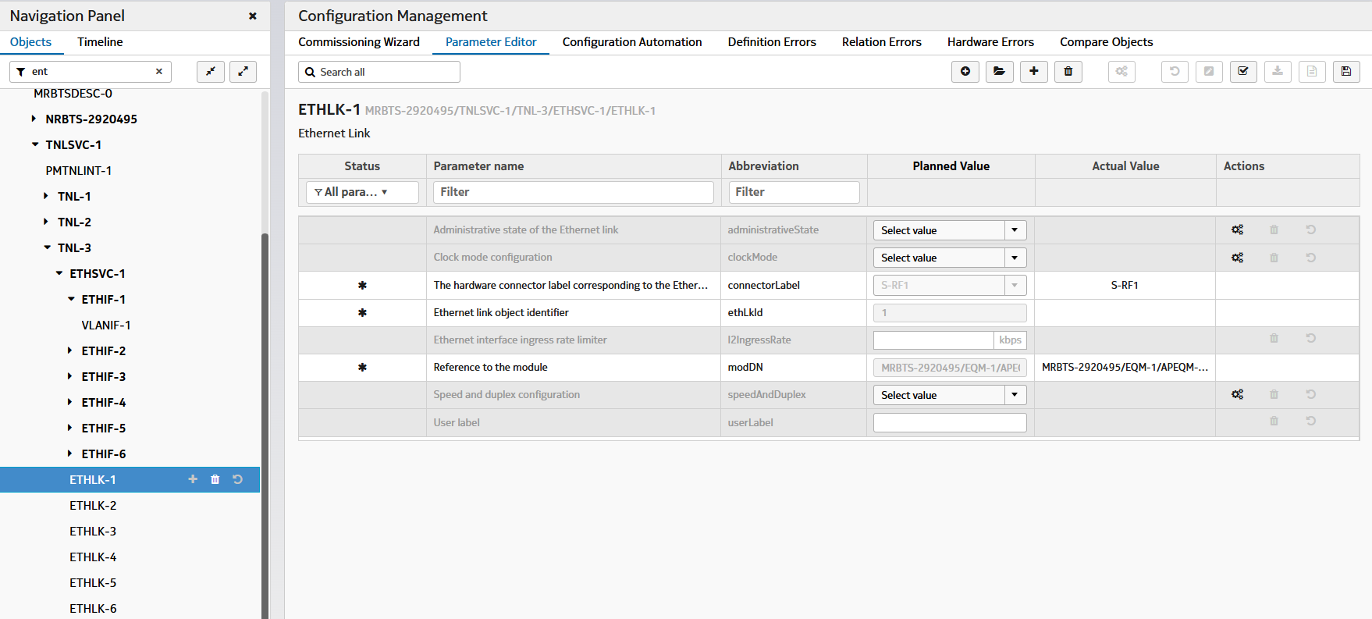
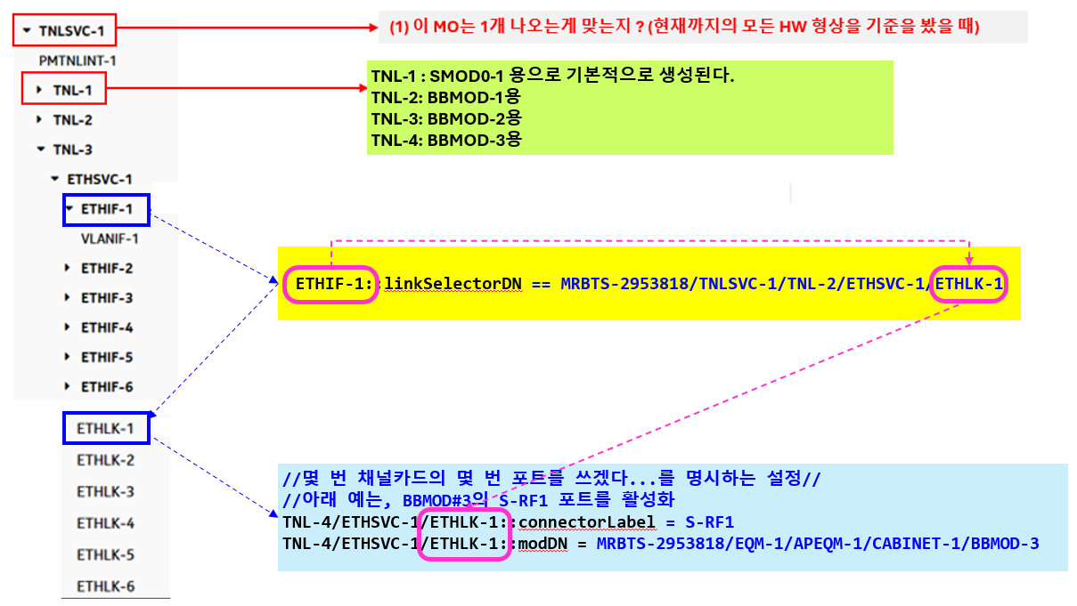
 |  | SCENARIO #1.5 | ( Initial Commissioning )
# nocli
???>
 | config
 |  | init-bts
 |  |  | show-cfg
 |  |  | action-cmd [ init | del ]
 |  |  | rat-type [ 4g | 5g ]
 |  |  | set-ref-cfg 5G_DU30_Ref_20240705.xml

 |  |  | del-tgt-bts 50000

 |  |  | tgt-bts 50000 |  | ## refers to MRBTS-50000 | /// MRBTS-50000/NRBTS-5000 (NRBTS-xxxx MO 생성; 하위 파리미터 생성(defaul값))
 |  |  | ## cfg-bts(50000)> |  |  | 해당 MO 밑에 있는 config를 보여준다. ( nrbts(12345) 아래에서 설정되어 있는 config를 보여줌)
 |  |  |  | show-cfg |  | 이미 loaded 상태면, 기존 config를 보여준다.
 |  |  |  | bts-id 5000 |  | ## refers to MRBTS-50000/NRBTS-5000
 |  |  |  | btsName NN001234567
 |  |  |  | location seoul-seocho-yeoksam11 |  | EQM-1/APEQM-1::location
 |  |  |  | SERVEDAMF 1*

 |  |  |  |  | amfIPAddress 39.18.70.49 | /// 5용 MME인 AMF 설정 정보
 |  |  |  | SERVEDAMF 2*
 |  |  |  |  | amfIPAddress 39.18.134.65
 |  |  |  | SERVEDAMF 3*
 |  |  |  |  | amfIPAddress 39.18.71.65
 |  |  |  | SERVEDAMF 4*
 |  |  |  |  | amfIPAddress 39.18.135.65

 |  |  | tgt-bts-para 50000
 |  |  | /// 01.05 : <MIG_5G> sheet 참고 | EQM 1 APEQM 1 | // optional (fixed string) | # default value (1) at all times |  | ※ EQM-1/APEQM-1
 |  |  |  | ## cfg-bts(50000)-apeqm(1)> | moduleLocation E0255 Pitt | # this value is used in several subordinate MOs.

 |  |  |  | TNLSVC 1 TNL 1 IPNO 1 | // fixed string
 |  |  |  | ## cfg-bts(50000)-ipno(1)> | IPIF 1*
 |  |  |  |  | ## cfg-bts(50000)-ipno(1)-ipif(1)> | IPADDRESSV4 1 |  | ※ TNLSVC-1/TNL-1/IPNO-1/IPIF-1/IPADDRESSV4-1
 |  |  |  |  |  | ## cfg-bts(50000)-ipno(1)-ipif(1)-ipaddress4(1)> | localIpAddr 10.49.132.34
 |  |  |  |  |  |  | localIpPrefixLength 29
 |  |  |  |  |  | IPADDRESSV4 2 | /// 이론적으로 가능하나 쓰이는 예제는 못 찾음.
 |  |  |  |  |  |  | localIpAddr 10.50.10.1
 |  |  |  |  | IPIF 2* | IPADDRESSV4 1 | /// MO
 |  |  |  |  |  | ## cfg-bts(50000)-ipno(1)-ipif(2)-ipaddress4(1)> | localIpAddr 10.48.16.133
<managedObject class="com.nokia.srbts.tnl:IPADDRESSV4" version="TNL22R2_2113_100" distName="MRBTS-540002/TNLSVC-1/TNL-1/IPNO-1/IPIF-1/IPADDRESSV4-1" operation="create">
<p name="ipAddressAllocationMethod">MANUAL</p>
<p name="localIpAddr">10.49.132.34</p>
<p name="localIpPrefixLength">29</p>
</managedObject>
<managedObject class="com.nokia.srbts.tnl:IPADDRESSV4" version="TNL22R2_2113_100" distName="MRBTS-540002/TNLSVC-1/TNL-1/IPNO-1/IPIF-2/IPADDRESSV4-1" operation="create">
<p name="ipAddressAllocationMethod">MANUAL</p>
<p name="localIpAddr">10.48.16.133</p>
</managedObject>

 |  |  |  |  | IPRT 1* |  |  | ※ TNLSVC-1/TNL-1/IPNO-1/IPRT-1
 |  |  |  |  | ## cfg-bts(50000)-ipno(1)-iprt(1)> | list staticRoutes 1 gateway 10.49.132.33 |  | /// list 형 parameter (staticRoutes)
 |  |  |  |  |  | list staticRoutes 1 routeIpMtu 1510 |  | /// list 형 parameter (staticRoutes)
 |  |  |  |  |  | list staticRoutes 1 destIpAddr 10.100.0.1 |  | /// list 형 parameter (staticRoutes)
 |  |  |  |  |  | list staticRoutes 2 gateway 10.50.10.1 |  | /// list 형 parameter (staticRoutes) #2
 |  |  |  |  |  | list staticRoutes 2 destIpAddr 10.100.0.1 |  | /// list 형 parameter (staticRoutes) #2
 |  |  |  |  |  | list staticRoutes 2 routeIpMtu 1510 |  | /// list 형 parameter (staticRoutes) #2

<managedObject class="com.nokia.srbts.eqm:SMOD" version="EQM22R2_2112_200" distName="MRBTS-540002/EQM-1/APEQM-1/CABINET-1/SMOD-1" operation="create">
<p name="climateControlOcxoTemperatureLearning">false</p>
<p name="climateControlProfiling">Optimized Cooling</p>
<p name="moduleLocation">E0255 Pitt</p>
<p name="positionInSubrack">LeftSide</p>
<p name="prodCodePlanned">473095A</p>
</managedObject>
 |  |  |  |  | IPRTV6 1* | (Optional) |  | ※ TNLSVC-1/TNL-1/IPNO-1/IPRTV6-1 | destIpv6Addr destinationIpv6PrefixLength gatewayIpv6Addr preSrcIpv6Addr preference routeIpMtu triggerDN
 |  |  |  |  | ## cfg-bts(50000)-ipno(1)-iprtv6(1)> | list staticIpv6Routes 1 destIpv6Addr x:x:x:x:x:x:x:x |  | eg) 2001:odb8:0000:1111:a717:cafe:fade:2132 (hex-tat)
 |  |  |  |  |  | list staticIpv6Routes 1 destinationIpv6PrefixLength 64
 |  |  |  |  |  | list staticIpv6Routes 1 gatewayIpv6Addr y:y:y:y:y:y:y:y
 |  |  |  |  |  | list staticIpv6Routes 1 preSrcIpv6Addr y:y:y:y:y:y:y:y
 |  |  |  |  |  | list staticIpv6Routes 1 preference ???
 |  |  |  |  |  | list staticIpv6Routes 1 routeIpMtu ???
 |  |  |  |  |  | list staticIpv6Routes 1 triggerDN ???
 |  |  |  |  |  | list staticIpv6Routes 2 destIpv6Addr x:x:x:x:x:x:x:x
 |  |  |  |  |  | list staticIpv6Routes 2 destinationIpv6PrefixLength 64
 |  |  |  |  |  | list staticIpv6Routes 2 gatewayIpv6Addr y:y:y:y:y:y:y:y

<list name="syncInputList">
<item>
<p name="syncInputPrio">1</p>
<p name="syncInputType">1pps/ToD from external GNSS receiver</p>
</item>
<item>
<p name="syncInputPrio">2</p>
<p name="syncInputType">TOPP</p>
</item>
<p name="syncInputPrio">3</p>
<p name="syncInputType">1pps/ToD from Sync Hub Master</p>
</item>
</list>
 |  |  |  | MNL 1 MNLENT 1 SYNC 1* |  |  |  | ※ MNL-1/MNLENT-1/SYNC-1 MO 생성
 |  |  |  | ## cfg-bts(50000)-sync(1)> | CLOCK 1* |  |  | ※ MNL-1/MNLENT-1/SYNC-1/CLOCK-1" 생성
 |  |  |  |  | ## cfg-bts(50000)-sync(1)-clock(1)> |  |  | <Possible Choices> GPS : 1pps/ToD from external GNSS receiver Master : 1pps/ToD from Sync Hub Master TOPP : 1pps/ToD from backplane
 |  |  |  |  |  | list syncInputList 1 syncInputPrio 1 |  | /// list 형 parameter (syncInputList)
 |  |  |  |  |  | list syncInputList 1 syncInputType GPS
 |  |  |  |  |  | list syncInputList 2 syncInputPrio 2
 |  |  |  |  |  | list syncInputList 2 syncInputType Master
 |  |  |  |  |  | list syncInputList 3 syncInputPrio 3
 |  |  |  |  |  | list syncInputList 3 syncInputType TOPP

 |  |  |  |  |  | totalDelayFromSHM | ??? | // optional

 |  |  |  |  |  | GNSSE 1* |  | /// MO /SYNC-1/CLOCK-1/GNSSE-1
 |  |  |  |  |  | ## cfg-bts(50000)-sync(1)-clock(1)-gnsse(1)> | gnssLineDelay 519

 |  |  |  |  |  | TOP 1 |  |  | ※ SYNC-1/CLOCK-1/TOP-1
 |  |  |  |  |  | ## cfg-bts(50000)-sync(1)-clock(1)-top(1)> | topDomainNumber 24 |  | MNL-1/MNLENT-1/SYNC-1/CLOCK-1/TOP-1::topDomainNumber

 |  |  |  |  |  |  | TOPP 1* |  | ※ SYNC-1/CLOCK-1/TOP-1/TOPP-1
 |  |  |  |  |  |  | ## cfg-bts(50000)-sync(1)-clock(1)-top(1)-topp(1)>
 |  |  |  |  |  |  |  | acceptedClockClass 6,7,135,140,150,160 | MNL-1/MNLENT-1/SYNC-1/CLOCK-1/TOP-1/TOPP-1::acceptedClockClass
 |  |  |  |  |  |  |  | topEthMulticastAddress 01-1B-19-00-00-00 | MNL-1/MNLENT-1/SYNC-1/CLOCK-1/TOP-1/TOPP-1::topEthMulticastAddress
 |  |  |  |  |  |  |  | maximumNetworkTimingError 0 | MNL-1/MNLENT-1/SYNC-1/CLOCK-1/TOP-1/TOPP-1::maximumNetworkTimingError
 |  |  |  |  |  |  |  | phaseErrorComp 0 | MNL-1/MNLENT-1/SYNC-1/CLOCK-1/TOP-1/TOPP-1::phaseErrorComp
 |  |  |  |  |  |  |  | topMasterId 0 | MNL-1/MNLENT-1/SYNC-1/CLOCK-1/TOP-1/TOPP-1::topMasterId
 |  |  |  |  |  |  |  | topStandardProfile G.8275.1 | MNL-1/MNLENT-1/SYNC-1/CLOCK-1/TOP-1/TOPP-1::topStandardProfile
 |  |  |  |  |  |  |  | tuningProfile Normal | MNL-1/MNLENT-1/SYNC-1/CLOCK-1/TOP-1/TOPP-1::tuningProfile
<managedObject class="com.nokia.srbts.mnl:SYNC" distName="MRBTS-131297/MNL-1/MNLENT-1/SYNC-2" version="MNL24R2_2404_110" operation="create">
<p name="actRuIntelligentSynceAstHoTime">false</p>
<p name="profileType">RU</p>
<list name="targetDNList">
<p>MRBTS-131297/EQM-1/APEQM-1/RMOD-13</p>
<p>MRBTS-131297/EQM-1/APEQM-1/RMOD-14</p>
<p>MRBTS-131297/EQM-1/APEQM-1/RMOD-15</p>
<p>MRBTS-131297/EQM-1/APEQM-1/RMOD-16</p>
<p>MRBTS-131297/EQM-1/APEQM-1/RMOD-17</p>
<p>MRBTS-131297/EQM-1/APEQM-1/RMOD-18</p>
<p>MRBTS-131297/EQM-1/APEQM-1/RMOD-19</p>
<p>MRBTS-131297/EQM-1/APEQM-1/RMOD-20</p>
<p>MRBTS-131297/EQM-1/APEQM-1/RMOD-21</p>
<p>MRBTS-131297/EQM-1/APEQM-1/RMOD-22</p>
<p>MRBTS-131297/EQM-1/APEQM-1/RMOD-23</p>
<p>MRBTS-131297/EQM-1/APEQM-1/RMOD-24</p>
</list>
</managedObject>
 |  |  |  | MNL 1 MNLENT 1 SYNC 2*
 |  |  |  | ## cfg-bts(50000)-sync(2)> | actRuIntelligentSynceAstHoTime false | (optional)
 |  |  |  |  | profileType RU | (optional)
 |  |  |  |  | list targetDNList 0 p MRBTS-131297/EQM-1/APEQM-1/RMOD-13
 |  |  |  |  | list targetDNList 0 p MRBTS-131297/EQM-1/APEQM-1/RMOD-14
 |  |  |  |  | list targetDNList 0 p MRBTS-131297/EQM-1/APEQM-1/RMOD-15
 |  |  |  |  | list targetDNList 0 p MRBTS-131297/EQM-1/APEQM-1/RMOD-16
 |  |  |  |  | list targetDNList 0 p MRBTS-131297/EQM-1/APEQM-1/RMOD-17
 |  |  |  |  | list targetDNList 0 p MRBTS-131297/EQM-1/APEQM-1/RMOD-18
 |  |  |  |  | list targetDNList 0 p MRBTS-131297/EQM-1/APEQM-1/RMOD-19
 |  |  |  |  | list targetDNList 0 p MRBTS-131297/EQM-1/APEQM-1/RMOD-20
 |  |  |  |  | list targetDNList 0 p MRBTS-131297/EQM-1/APEQM-1/RMOD-21
 |  |  |  |  | list targetDNList 0 p MRBTS-131297/EQM-1/APEQM-1/RMOD-22
 |  |  |  |  | list targetDNList 0 p MRBTS-131297/EQM-1/APEQM-1/RMOD-23
 |  |  |  |  | list targetDNList 0 p MRBTS-131297/EQM-1/APEQM-1/RMOD-24

<managedObject class="com.nokia.srbts.eqm:CABLINK" distName="MRBTS-131297/EQM-1/HWTOP-1/CABLINK-16" version="EQM24R2_2404_120" operation="create">
<p name="firstEndpointDN">MRBTS-131297/EQM-1/APEQM-1/CABINET-1/BBMOD-3</p>
<p name="firstEndpointLabel">OPT</p>
<p name="firstEndpointPortId">1</p>
<p name="iqCompression">eCPRI IQ9_E7</p>
<p name="linkSpeed">eCpri25</p>
<p name="radioProtocolType">eCPRI</p>
<p name="secondEndpointDN">MRBTS-131297/EQM-1/APEQM-1/RMOD-13</p>
<p name="secondEndpointLabel">SFP</p>
<p name="secondEndpointPortId">1</p>
</managedObject>

 |  |  |  | SMOD 1* |  | ※ EQM-1/APEQM-1/CABINET-1/SMOD-1
 |  |  |  | ## cfg-bts(20000)-smod(1)> | prod-name ASIL | the value of prod-name is used to match (SMOD::prodCodePlanned)
 |  |  |  |  | (prodCodePlanned 475765A) | EQM-1/APEQM-1/CABINET-1/SMOD-1::prodCodePlanned
 |  |  |  |  | exit

 |  |  |  | BBMOD 1* |  | ※ EQM-1/APEQM-1/CABINET-1/BBMOD-1
 |  |  |  | ## cfg-bts(20000)-bbmod(1)> | prod-name ABIO | the value of prod-name is used to match (BBMOD::prodCodePlanned)
 |  |  |  |  | (prodCodePlanned 475792A) | EQM-1/APEQM-1/CABINET-1/BBMOD-1::prodCodePlanned
 |  |  |  |  | exit
 |  |  |  | BBMOD 2* | // same as above
 |  |  |  | BBMOD 3* | // same as above

 |  |  |  | RMOD 13* |  | cf) rmod auto: select the next earliest # available from the RMOD-# pool.
 |  |  |  |  |  | 즉, ?(물음표) 엽력 시, 입력 가능한 RMOD-#를 20개만 보여준다.
 |  |  |  |  | prod-name AEQN | the value of model-type is used to match (RMOD::prodCodePlanned)
 |  |  |  |  | (prodCodePlanned 476339A) | <p name="prodCodePlanned">476339A</p>
 |  |  |  |  | moduleLocation NUTJ14811N | <p name="moduleLocation">NUTJ14811N</p>
 |  |  |  |  | energySavingMode NORMAL

 |  |  |  | EQM 1 HWTOP 1 |  |  | ※ EQM-1/HWTOP-1
 |  |  |  | ## cfg-bts(20000)-hwtop(1)> | CABLINK 4*
 |  |  |  |  |  | firstEndpointDN bbmod-3 | <p name="firstEndpointDN">MRBTS-131297/EQM-1/APEQM-1/CABINET-1/BBMOD-3</p>
<list name="csirsForTracking">
<item>
<p name="csirsTrackingPeriod">80ms</p>
<p name="firstRE">0</p>
<p name="rbAllocation">52RB</p>
<p name="startRB">104</p>
</item>
</list>
 |  |  |  |  |  | firstEndpointLabel OPT | <p name="firstEndpointLabel">OPT</p>
 |  |  |  |  |  | firstEndpointPortId 1 | <p name="firstEndpointPortId">1</p>
 |  |  |  |  |  | linkSpeed eCpri25 | <p name="linkSpeed">eCpri25</p>
 |  |  |  |  |  | radioProtocolType eCPRI | <p name="radioProtocolType">eCPRI</p>
 |  |  |  |  |  | secondEndpointDN rmod-13 | <p name="secondEndpointDN"> MRBTS-131297/EQM-1/APEQM-1/RMOD-13 </p>
 |  |  |  |  |  | secondEndpointLabel SFP | <p name="secondEndpointLabel">SFP</p>
 |  |  |  |  |  | secondEndpointPortId 1 | <p name="secondEndpointPortId">1</p>

 |  |  |  |  | CABLINK ? | list up the available id up to 20 entries
 |  |  |  |  | CABLINK @ | (auto selection)

<managedObject class="com.nokia.srbts.mnl:TCE" distName="MRBTS-131297/MNL-1/TCEADM-1/TCE-1" version="MNL24R2_2404_110" operation="create">
<p name="certTypeForTlsAuth">RSA</p>
<p name="tceIdentifier">1</p>
<p name="tceIpAddress">10.16.39.201</p>
<p name="tcePortNumber">49148</p>
<p name="tlsEnabled">false</p>
 |  |  |  | NRBTS 50000 |  |  | MRBTS-20000/LNBTS-50000
 |  |  | <choice> cfg-lnbts(50000) | ## cfg-bts(20000)-ln(50000)> | NRCELL 123* |  | MRBTS-20000/LNBTS-50000/NRCELL-123
 |  |  | <choice> cfg-nrbts(50000) |  | ## cfg-bts(20000)-ln(50000)-lncel(123)>
 |  |  |  |  |  | lcrId 23 | (Mandatory) | <p name="lcrId">41</p> | (고려사항: auto assign => lcrId #
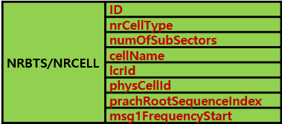
 |  |  |  |  |  | physCellId 249 | (Mandatory) | <p name="physCellId">367</p>
 |  |  |  |  |  | nrCellType 4DL4UL | (Mandatory) | <p name="nrCellType">4DL4UL</p>
<managedObject class="com.nokia.srbts.nrbts:NRMTRACECU" distName="MRBTS-131297/NRBTS-131297/NRCTRLTS-1/NRMTRACECU-1" version="NRBTSCL24R2_2404_130" operation="create">
<p name="actCellTraceReportingCU">true</p>
<list name="immedMDTUEMeas">
<item>
<p name="mdtMeasType">periodic</p>
<p name="reportAmount">r4</p>
<p name="reportInterval">ms10240</p>
<p name="rrmEventTriggeredMeas">false</p>
</item>
</list>
<list name="nrRanTraceReference">
<item>
<p name="mcc">450</p>
<p name="mnc">8</p>
<p name="mncLength">2</p>
<p name="traceId">131297</p>
</item>
</list>
</managedObject>
 |  |  |  |  |  | cellName AHEGG_A | (Mandatory) | <p name="cellName">NUTJ14811N</p>
 |  |  |  |  |  | numOfSubSectors 0sub-sector | (Mandatory) | <p name="numOfSubSectors">0sub-sector</p>
 |  |  |  |  |  | prachRootSequenceIndex 73 | (Mandatory) | <p name="prachRootSequenceIndex">73</p> value choice = (68, 115, 19, 20, 69, 21, 112, 14, 73, 116, 106, 73)
 |  |  |  |  |  | msg1FrequencyStart 216 | (Mandatory) | <p name="msg1FrequencyStart">216</p> value choice = (228, 48, 240, 180, 156, 96, 228, 108, 96, 36, 216)

 |  |  |  |  |  | LNCEL_FDD 0* |  | MRBTS/LNBTS/LNCEL/LNCEL_FDD-0
 |  |  |  |  |  | ## cfg-bts(20000)-ln(50000)-lncel(123)-lncelfdd(0)> | rootSeqIndex 182 | <p name="rootSeqIndex">182</p>
 |  |  |  |  |  |  | eixt

 |  |  |  |  |  | NBIOT_FDD 0* |  | MRBTS/LNBTS/LNCEL/NBIOT_FDD-0
 |  |  |  |  |  | ## cfg-bts(20000)-ln(50000)-lncel(123)-nbiotfdd(0)> | dlChBw 10 | NBIOT_FDD-0::dlChBw

 |  |  |  |  |  | tac 1635 |  | /// csirsForTracking/startRB
 |  |  |  |  |  | nbIotLinkedCellId 130 | (Optional)

 |  |  |  |  |  | fPdcchMonOccsnPo true
 |  |  |  |  |  | actVoipCovBoostEnh on_ttib_entry_BLER_SINR_based | (Optional)
<managedObject class="com.nokia.srbts.mnl:CHANNELGROUP" distName="MRBTS-131297/MNL-1/MNLENT-1/CELLMAPPING-1/LCELNR-41/CHANNELGROUP-1" version="MNL24R2_2404_110" operation="create"/>
<managedObject class="com.nokia.srbts.mnl:CHANNEL" distName="MRBTS-131297/MNL-1/MNLENT-1/CELLMAPPING-1/LCELNR-41/CHANNELGROUP-1/CHANNEL-1" version="MNL24R2_2404_110" operation="create">
<p name="direction">TX</p>
<p name="resourceDN">MRBTS-131297/EQM-1/APEQM-1/RMOD-13/PHYANT-1</p>
</managedObject>
<managedObject class="com.nokia.srbts.mnl:CHANNEL" distName="MRBTS-131297/MNL-1/MNLENT-1/CELLMAPPING-1/LCELNR-41/CHANNELGROUP-1/CHANNEL-2" version="MNL24R2_2404_110" operation="create">
<p name="direction">TX</p>
<p name="resourceDN">MRBTS-131297/EQM-1/APEQM-1/RMOD-13/PHYANT-1</p>
</managedObject>
<managedObject class="com.nokia.srbts.mnl:CHANNEL" distName="MRBTS-131297/MNL-1/MNLENT-1/CELLMAPPING-1/LCELNR-41/CHANNELGROUP-1/CHANNEL-3" version="MNL24R2_2404_110" operation="create">
<p name="direction">TX</p>
<p name="resourceDN">MRBTS-131297/EQM-1/APEQM-1/RMOD-13/PHYANT-1</p>
</managedObject>
<managedObject class="com.nokia.srbts.mnl:CHANNEL" distName="MRBTS-131297/MNL-1/MNLENT-1/CELLMAPPING-1/LCELNR-41/CHANNELGROUP-1/CHANNEL-4" version="MNL24R2_2404_110" operation="create">
<p name="direction">TX</p>
<p name="resourceDN">MRBTS-131297/EQM-1/APEQM-1/RMOD-13/PHYANT-1</p>
</managedObject>
<managedObject class="com.nokia.srbts.mnl:CHANNEL" distName="MRBTS-131297/MNL-1/MNLENT-1/CELLMAPPING-1/LCELNR-41/CHANNELGROUP-1/CHANNEL-5" version="MNL24R2_2404_110" operation="create">
<p name="direction">RX</p>
<p name="resourceDN">MRBTS-131297/EQM-1/APEQM-1/RMOD-13/PHYANT-1</p>
</managedObject>
<managedObject class="com.nokia.srbts.mnl:CHANNEL" distName="MRBTS-131297/MNL-1/MNLENT-1/CELLMAPPING-1/LCELNR-41/CHANNELGROUP-1/CHANNEL-6" version="MNL24R2_2404_110" operation="create">
<p name="direction">RX</p>
<p name="resourceDN">MRBTS-131297/EQM-1/APEQM-1/RMOD-13/PHYANT-1</p>
</managedObject>
<managedObject class="com.nokia.srbts.mnl:CHANNEL" distName="MRBTS-131297/MNL-1/MNLENT-1/CELLMAPPING-1/LCELNR-41/CHANNELGROUP-1/CHANNEL-7" version="MNL24R2_2404_110" operation="create">
<p name="direction">RX</p>
<p name="resourceDN">MRBTS-131297/EQM-1/APEQM-1/RMOD-13/PHYANT-1</p>
</managedObject>
<managedObject class="com.nokia.srbts.mnl:CHANNEL" distName="MRBTS-131297/MNL-1/MNLENT-1/CELLMAPPING-1/LCELNR-41/CHANNELGROUP-1/CHANNEL-8" version="MNL24R2_2404_110" operation="create">
<p name="direction">RX</p>
<p name="resourceDN">MRBTS-131297/EQM-1/APEQM-1/RMOD-13/PHYANT-1</p>
</managedObject>

 |  |  |  | MNL 1 MNLENT 1 CELLMAPPING 1 |  |  | ※ MNL-1/MNLENT-1/CELLMAPPING-1
 |  |  |  |  | LCELNR 23* |  | ※ CELLMAPPING-1/LCELNR-10
 |  |  |  |  |  | CHANNELGROUP 1 | ※ CELLMAPPING-1/LCELNR-10/CHANNELGROUP-1
 |  |  |  |  |  |  | set-default 8 | for the configuration of channel 1 ~ n, it's configured automatically to the system-default setting. | (고려사항)
 |  |  |  |  |  |  | cell-num 123
 |  |  |  |  |  |  | CHANNEL 1*
 |  |  |  |  |  |  |  | resourceDN MRBTS-20000/EQM-1/APEQM-1/RMOD-13/PHYANT-1
 |  |  |  |  |  |  |  | direction TX
 |  |  |  |  |  |  | CHANNEL 2*
 |  |  |  |  |  |  |  | resourceDN MRBTS-131297/EQM-1/APEQM-1/RMOD-13/PHYANT-1
 |  |  |  |  |  |  |  | direction TX
 |  |  |  |  |  |  | CHANNEL 3*
 |  |  |  |  |  |  |  | resourceDN MRBTS-131297/EQM-1/APEQM-1/RMOD-13/PHYANT-1
 |  |  |  |  |  |  |  | direction RX
 |  |  |  |  |  |  | CHANNEL 4*
 |  |  |  |  |  |  |  | resourceDN MRBTS-131297/EQM-1/APEQM-1/RMOD-13/PHYANT-1
 |  |  |  |  |  |  |  | direction RX
 |  |  |  |  |  |  | CHANNEL 5* | // same as above
 |  |  |  |  |  |  | CHANNEL 6* | // same as above
 |  |  |  |  |  |  | CHANNEL 7* | // same as above
 |  |  |  |  |  |  | CHANNEL 8* | // same as above
 |  |  |  |  | exit | exit | exit | exit

<managedObject class="com.nokia.srbts.nrbts:NRCELLGRP" distName="MRBTS-131297/NRBTS-131297/NRCELLGRP-20" version="NRBTSCL24R2_2404_130" operation="create">
<list name="nrCellList">
<p>123</p>
</list>
</managedObject>

 |  |  |  | NRBTS 50000 |  |  | ※ MRBTS-131297/NRBTS-131297/NRCELLGRP-13
 |  |  |  |  | NRCELLGRP 23*
 |  |  |  |  |  | list nrCellList 0 p 123
 |  |  |  |  |  | list nrCellList 0 p 234
<managedObject class="com.nokia.srbts.nrbts:NRDU" distName="MRBTS-131297/NRBTS-131297/NRDU-1" version="NRBTSCL24R2_2404_130" operation="create">
<list name="refNrCellGroup">
<p>13</p>
<p>14</p>
<p>15</p>
<p>16</p>
<p>17</p>
<p>18</p>
<p>19</p>
<p>20</p>
<p>21</p>
<p>22</p>
<p>23</p>
<p>24</p>
</list>
</managedObject>
 |  |  |  |  |  | del nrCellList 0 p 234
 |  |  |  |  |  | exit

 |  |  |  |  | NRDU 1* |  | ※ MRBTS-131297/NRBTS-131297/NRDU-1
 |  |  |  |  |  | list refNrCellGroupList 0 p 23 | LCELNR 값을 입력함.

 |  |  | /// LTE&5G 공통 파라미터로서 | TNLSVC 1 TNL 1 ETHSVC 1 | // fixed string
 |  |  | LTE에서 정의된 문법하고 통일(유지) | ## cfg-bts(20000)-ethsvc(1)> | ETHIF 1*
 |  |  |  |  | ## cfg-bts(20000)-ethsvc(1)-ethif(1)> | VLANIF 1 |  | ※ TNLSVC-1/TNL-1/ETHSVC-1/ETHIF-1/VLANIF-1
 |  |  |  |  |  | ## cfg-bts(20000)-ipno(1)-ipif(1)-ipaddress4(1)> | vlanId 1

 |  |  |  |  | ETHIF 2*
 |  |  |  |  | ## cfg-bts(20000)-ethsvc(1)-ethif(2)> | VLANIF 1
 |  |  |  |  |  | ## cfg-bts(20000)-ipno(1)-ipif(1)-ipaddress4(1)> | vlanId 2
<managedObject class="com.nokia.srbts.tnl:ETHIF" distName="MRBTS-131297/TNLSVC-1/TNL-2/ETHSVC-1/ETHIF-1" version="TNL24R2_2404_110" operation="create">
<p name="linkSelectorDN">MRBTS-131297/TNLSVC-1/TNL-2/ETHSVC-1/ETHLK-1</p>
</managedObject>
<managedObject class="com.nokia.srbts.tnl:VLANIF" distName="MRBTS-131297/TNLSVC-1/TNL-2/ETHSVC-1/ETHIF-1/VLANIF-1" version="TNL24R2_2404_110" operation="create">
<p name="vlanId">1</p>
</managedObject>
<managedObject class="com.nokia.srbts.tnl:ETHIF" distName="MRBTS-131297/TNLSVC-1/TNL-2/ETHSVC-1/ETHIF-2" version="TNL24R2_2404_110" operation="create">
<p name="linkSelectorDN">MRBTS-131297/TNLSVC-1/TNL-2/ETHSVC-1/ETHLK-2</p>
</managedObject>
<managedObject class="com.nokia.srbts.tnl:VLANIF" distName="MRBTS-131297/TNLSVC-1/TNL-2/ETHSVC-1/ETHIF-2/VLANIF-1" version="TNL24R2_2404_110" operation="create">
<p name="vlanId">2</p>
</managedObject>
 |  |  |  |  | L2SWI 1* | (optional) |  | /// 어느때 사용하는지는 모름 (샘플 파일에 있었음)
 |  |  |  |  |  | IBRGPRT 1*
 |  |  |  |  |  |  | <p name="portDefaultVlanId">1</p>
 |  |  |  |  |  |  | <p name="portDefaultVlanPriority">0</p>
 |  |  |  |  |  |  | exit
 |  |  |  |  |  | PCP2qMAP 1*
<managedObject class="com.nokia.srbts.mnl:NTP" version="MNL22R2_2113_100" distName="MRBTS-540002/MNL-1/MNLENT-1/SYNC-1/CLOCK-1/NTP-1" operation="create">
<p name="maxNtpTimeError">200</p>
<p name="ntpAlarmingThreshold">300</p>
<p name="ntpDscp">46</p>
<list name="ntpServerIpAddrList">
<p>172.25.166.66</p>
<p>172.25.155.225</p>
</list>
<p name="utcGpsNtpOffsetAfter">18</p>
<p name="utcGpsNtpOffsetBefore">17</p>
<p name="utcGpsNtpOffsetChangeDate">2016-12-31</p>
</managedObject>
 |  |  |  |  |  |  | <p name="queueForPcp0">BE</p> <p name="queueForPcp1">AF2</p> <p name="queueForPcp2">AF2</p> <p name="queueForPcp3">AF2</p> <p name="queueForPcp4">AF3</p> <p name="queueForPcp5">EF</p> <p name="queueForPcp6">AF4</p> <p name="queueForPcp7">EF</p>
 |  |  |  |  |  | exit
 |  |  |  |  | exit

 |  |  |  | MNL 1 MNLENT 1 SYNC 1
 |  |  |  |  | CLOCK 1*
 |  |  |  |  |  | NTP 1* |  | MRBTS/MNL-1/MNLENT-1/SYNC-1/CLOCK-1/NTP-1
 |  |  |  |  |  |  | list ntpServerIpAddrList 0 p 172.25.166.66 | (mandatory)
 |  |  |  |  |  |  | list ntpServerIpAddrList 0 p 172.25.155.225 | (mandatory)
 |  |  |  |  |  |  | maxNtpTimeError 200 | (optional)
 |  |  |  |  |  |  | ntpAlarmingThreshold 300 | (optional)
 |  |  |  |  |  |  | ntpDscp 46 | (optional)
 |  |  |  |  | exit | exit | exit

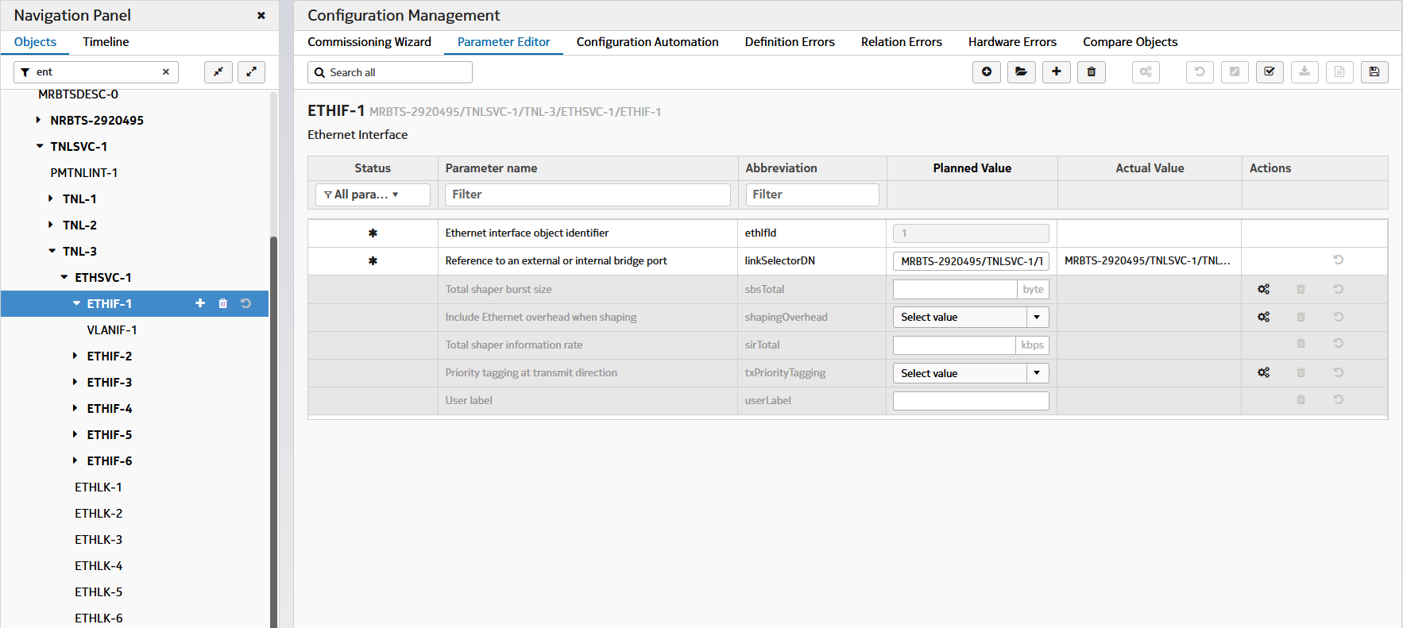
 |  | SCENARIO #1.5.A | MO: ETHSVC * ETHLK | 용도(목적): 셀(RU) 추가 시 사용
 |  | >> 목적: eCPRI 구성에 필요
 |  | >> MRBTS-50000/TNLSVC-1/TNL-x/ETHSVC-1
 |  |  |  | TNLSVC 1 TNL 3* ETHSVC 1
 |  |  |  |  | ETHIF 1* | // set ethIfId = 1 | // Ethernet interface object Id | //MRBTS- / TNLSVC-1/TNL-3/ETHSVC-1/EHTIF-1
 |  |  |  |  |  | linkSelectorDN MRBTS-50000/TNLSVC-1/TNL-3/ETHSVC-1/ETHLK-1 |  | //Reference to an external or internal bridge port
 |  |  |  |  |  | exit
 |  |  |  |  | exit

 |  |  |  | TNLSVC 1 TNL 3* ETHSVC 1
 |  |  |  |  | ETHLK 1* | // set ethLkId = 1 | Ethernet link object identifier | //MRBTS- / TNLSVC-1/TNL-3/ETHSVC-1/ETHLK-1
 |  |  |  |  |  | connectorLabel S-RF1 |  | // The HW connector label corresponding to the Ethernet IF
 |  |  |  |  |  | modDN MRBTS-50000/EQM-1/APEQM-1/CABINET-1/SMOD-1 |  | // Reference to the module

/// SAMPLE CONFIGURATION in SCF file ///
/// Michael's Description: SMOD와 BBMOD에 꼽힐 RU를 위해서 RU와 연결될 포트를 구성하는 파라미터임. 따라서 RU가 추가될 때마다 해당 RU가 연결될 채널카드(SMOD,BBMOD)의 포트에 eCPRI 설정을 해두는 과정임.
/// TNL-1: SMOD용, TNL-2 (BBMOD#1), TNL-3 (BBMOD#2), TNL-4 (BBMOD#3) 과 같이 순차적으로 할당될 가능성이 높음.
(1) TNL-ETHSVC-ETHLK
<managedObject class="com.nokia.srbts.tnl:ETHLK" distName="MRBTS-2953818/TNLSVC-1/TNL-4/ETHSVC-1/ETHLK-1" version="TNL24R2_2404_110" operation="create">
<p name="connectorLabel">S-RF1</p>
<p name="modDN">MRBTS-2953818/EQM-1/APEQM-1/CABINET-1/BBMOD-3</p>
</managedObject>
<managedObject class="com.nokia.srbts.tnl:ETHLK" distName="MRBTS-2953818/TNLSVC-1/TNL-1/ETHSVC-1/ETHLK-1" version="TNL24R2_2404_110" operation="create">
<p name="administrativeState">unlocked</p>
<p name="connectorLabel">EIF1</p>
<p name="l2IngressRate">10000000</p>
<p name="modDN">MRBTS-2953818/EQM-1/APEQM-1/CABINET-1/SMOD-1</p>
<p name="speedAndDuplex">AUTODETECT</p>
</managedObject>
=========================================================
(2) TNL-ETHSVC-ETHIF
<managedObject class="com.nokia.srbts.tnl:ETHIF" distName="MRBTS-2953818/TNLSVC-1/TNL-2/ETHSVC-1/ETHIF-1" version="TNL24R2_2404_110" operation="create">
<p name="linkSelectorDN">MRBTS-2953818/TNLSVC-1/TNL-2/ETHSVC-1/ETHLK-1</p>
</managedObject>

InitCell_5G
 |  | SCENARIO #2.5 (Follow-up Commissioning)
# noccli
???>
 | config
 |  | init-cell
 |  |  | rat-type 5g
 |  |  | tgt-bts 50000 |  |  |  |  |  | /// noc-cli should read run-time config from the target-BTS. (2) GET IP address of BTS-50000 from NetAct
 |  |  | RESULT: [OK | NOK] |  |  |  |  |  | /// pre-condidtion: BTS-50000 should be integrated with NetAct.

 |  |  | set-cfg-tmpl 공동망-CFG
 |  |  | set-cfg-tmpl KTXslow-CFG
기존의 'del MO' 또는 'del parameter' 를 'no MO' 또는 'no parameter'로 (일괄) 변경
 |  |  | no tgt-bts 50000 |  |  |  |  |  | /// distroy the config workspace alloctaed to BTS-50000
 |  |  | exit

 |  |  | show-ru-sts 50000 |  |  |  |  |  | /// read RU/Cell Status from the target-bts, using Admin-CLI command

 |  |  | ru-hw-type | AHEGG |  | /// 이 경우, 설정을 적용할 RU 모델을 입력 받는다. 해당 RU 모델 별로 지원가능한 TxRx Path 개수를 파악한다.

 |  |  | tgt-bts-para 50000
 |  |  |  | EQM 1 APEQM 1
 |  |  | ## cfg-bts(50000)-apeqm(1)>
 |  |  |  |  | RMOD 3*
 |  |  |  |  | ## cfg-bts(50000)-apeqm(1)-rmod(3)>
 |  |  |  |  |  | prodCodePlanned 475082A.123
 |  |  |  |  |  | *moduleLocation "E0255 Pitt RRU 0"
 |  |  |  |  |  | *actParExpansionOff
 |  |  |  |  |  | *actPimCancellation
 |  |  |  |  |  | *actSharedRUIndControl
 |  |  |  |  |  | *actSnapshotCollection
 |  |  |  |  |  | *administrativeState
 |  |  |  |  |  | *alVoltHighThreshold
 |  |  |  |  |  | *alVoltLowThreshold
 |  |  |  |  |  | *alVoltUnstableThreshold
 |  |  |  |  |  | *energySavingMode
 |  |  |  |  |  | *internetProtocolVersion
 |  |  |  |  |  | *legacyWideCarrierMode
 |  |  |  |  |  | *pimCancellingEnabled
 |  |  |  |  |  | *plainTextConnectionAllowed
 |  |  |  |  |  | *protocol
 |  |  |  |  |  | exit
 |  |  |  |  | exit

 |  |  |  | EQM 1 HWTOP 1
 |  |  |  |  | CABLINK @ |  |  | /// @ -> Auto Assignment, ? -> list up possible choices
 |  |  |  |  | ## cfg-bts(50000)-hwtop(1)-cablink(3)> |  |  | /// (optional) $1 -> 변수 사용하는 방식으로 갈까?
 |  |  |  |  |  | radioProtocolType eCPRI
 |  |  |  |  |  | linkSpeed eCpri25
 |  |  |  |  |  | firstEndpointDN bbmod-1 |  | /// <p name="firstEndpointDN">MRBTS-50000/EQM-1/APEQM-1/CABINET-1/BBMOD-1</p>
 |  |  |  |  |  | firstEndpointLabel OPT
 |  |  |  |  |  | firstEndpointPortId 1
 |  |  |  |  |  | secondEndpointDN rmod-3 |  | /// <p name="secondEndpointDN">MRBTS-50000/EQM-1/APEQM-1/RMOD-1</p>
 |  |  |  |  |  | secondEndpointLabel OPT
 |  |  |  |  |  | secondEndpointPortId 1
 |  |  |  |  |  | exit
 |  |  |  |  | exit

 |  |  |  | NRBTS 50000 |  |  |  |  | /// MRBTS-50000/LNBTS-50000
 |  |  |  |  | LNCEL 500 |  |  |  | /// MRBTS-50000/LNBTS-50000/LNCEL-500
 |  |  |  |  | ## cfg-bts(50000)-ln(50000)-lncel(500)>

 |  |  |  |  |  | nrCellType
 |  |  |  |  |  | numOfSubSectors
 |  |  |  |  |  | cellName AHEGG_B
 |  |  |  |  |  | lcrId 5
 |  |  |  |  |  | physCellId 501 |  |  | /// up to 504
 |  |  |  |  |  | prachRootSequenceIndex 73 |  |  | /// <p name="prachRootSequenceIndex">73</p>
 |  |  |  |  |  | msg1FrequencyStart 36 |  |  | <p name="msg1FrequencyStart">36</p>
 |  |  |  |  |  | *optional_para1 |  |  | /// 나머지 optional parameters expected by Admin-CLI
 |  |  |  |  |  | *optional_para2
 |  |  |  |  |  | *optional_para3
 |  |  |  |  |  | *optional_para4
 |  |  |  |  |  | . . .
 |  |  |  |  |  | *optional_paraN
 |  |  |  |  |  | exit
 |  |  |  |  | exit

 |  |  |  | NRBTS 50000 |  |  | ※ MRBTS-131297/NRBTS-131297/NRCELLGRP-13
 |  |  |  |  | NRCELLGRP 5*
 |  |  |  |  | ## cfg-bts(50000)-nrbts(50000)-nrcellgrp(5)>
 |  |  |  |  |  | list nrCellList 0 p 500
 |  |  |  |  |  | exit

 |  |  |  |  | NRDU 1* |  | ※ MRBTS-131297/NRBTS-131297/NRDU-1
 |  |  |  |  |  | list refNrCellGroupList 0 p 5 | LCELNR 값을 입력함.

 |  |  |  | MNL 1 MNLENT 1 CELLMAPPING 1
 |  |  |  |  | LCELNR 5*
 |  |  |  |  |  | CHANNELGROUP 1
 |  |  |  |  |  |  | CHANNEL 1*
 |  |  |  |  |  |  |  | antlDN MRBTS-xxxx/EQM-1/APEQM-1/RMOD-1/ANTL-1
 |  |  |  |  |  |  |  | direction [ TX | RX ]
 |  |  |  |  |  |  | CHANNEL 2*
 |  |  |  |  |  |  | CHANNEL 3*
 |  |  |  |  |  |  | CHANNEL 4*
 |  |  |  |  |  |  | CHANNEL 5*
 |  |  |  |  |  |  | CHANNEL 6*
 |  |  |  |  |  |  | CHANNEL 7*
 |  |  |  |  |  |  | CHANNEL 8*
 |  |  |  |  |  |  |  | antlDN MRBTS-xxxx/EQM-1/APEQM-1/RMOD-1/ANTL-8
 |  |  |  |  |  |  |  | direction [ TX | RX ]
 |  |  |  |  |  |  |  | exit
 |  |  |  |  |  |  | exit
 |  |  |  |  |  | exit
 |  |  |  |  | exit
 |  |  |  | exit
 |  |  | exit

CMDSET_MIG_4G
1) 대문자 : MO를 의미함. e.g.) SERVEDAMF, IPIF, CLOCK
2) 대소문자 조합: 노키아 CM parameters (대소문자 구분) e.g.) amfIPAddress, btsName, enbName, etc
3) 대소문자-대소문자: CLI application 에서 정의한 application-defined parameters e.g.) bts-id, cell-id, model-type
4) MO명 숫자* : (e.g.) CABLINK 1* -> CABLINK-1를 의미하며 instance가 여러 개 생길 수 있음을 뜻함. 1, 2, 3, 4, etc
반면에, TNLSVC 1 TNL 1 IPNO 1 은 TNLSVC-1/TNL-1/IPNO-1로 DN이 고정됨을 의미함. (향후 TNL 1*이 될 수 있으나... 그건 그때 가서 고민함.
# command 키워드가 MO 이면 Next Level로 이동하고... MO가 아닌 하위 Data 이면(e.g. list 등) 파라미터를 붙여서 쓰도록 하자.
예로, 다음과 같은 MO에서
MRBTS-540002/TNLSVC-1/TNL-1/IPNO-1/IPRT-1 :: staticRoutes / gateway
MRBTS-540002/TNLSVC-1/TNL-1/IPNO-1/IPRT-1 :: staticRoutes / destinationIpPrefixLength
MRBTS-540002/TNLSVC-1/TNL-1/IPNO-1/IPRT-1 :: staticRoutes / destIpAddr
MRBTS-540002/TNLSVC-1/TNL-1/IPNO-1/IPRT-1 :: staticRoutes / gateway
MRBTS-540002/TNLSVC-1/TNL-1/IPNO-1/IPRT-1 :: staticRoutes / preference
MRBTS-540002/TNLSVC-1/TNL-1/IPNO-1/IPRT-1 :: staticRoutes / preSrcIpv4Addr
> cfg-mig-bts(540002)> ipif 1 => IPIF는 MO임
> cfg-mig-bts(540002)-ipif(1)> list staticRoutes 1 gateway 10.49.132.33
> cfg-mig-bts(540002)-ipif(1)> list staticRoutes 1 destIpAddr 10.100.0.1
> cfg-mig-bts(540002)-ipif(1)> list staticRoutes 2 gateway 10.50.10.1
> cfg-mig-bts(540002)-ipif(1)> list staticRoutes 2 destIpAddr 10.100.0.1
 | SCENARIO #3.4 | ( MIGRATE - LTE )
# nocli
> | > config mig-bts
 | mig-bts>
 |  | action-cmd [copy | ?? | ??]
 |  | rat-type lte
List #1
List #2
 |  | reference-config 5G_DU30_Ref_20240705.xml
 |  | source
 | 공통 |  | mrbts 67424 | (Mandatory) | # Mandatory command
 | 공통 |  | bts-id 67424 | (Optional) | # it refers to NRBTS # or LNBTS #.
 | 공통 |  | cell-id 30216 | (Mandatory)
 |  | target
 | 공통 |  | mrbts 68554 | (Mandatory) | # Mandatory command
 | 공통 |  | bts-id 68554 | (Optional) | # it refert so NRBTS # or LNBTS #.
 | 공통 |  | cell-id 48289 | (Mandatory)
 | 공통 |  | btsName LBNON0540002 | (Mandatory) | <p name="btsName">LBNON0540002</p>
 | LTE only |  | enbName LBNON0540002 | (Optional) | <p name="enbName">LBNON0540002</p>

 |  |  | SERVEDAMF 1*
 |  |  |  | amfIPAddress 39.18.70.49
 |  |  | SERVEDAMF 2*
 |  |  |  | amfIPAddress 39.18.134.65
 |  |  | SERVEDAMF 3*
 |  |  |  | amfIPAddress 39.18.71.65
 |  |  | SERVEDAMF 4*
 |  |  |  | amfIPAddress 39.18.135.65

 |  |  | smod 1 |  | distName="MRBTS-540002/EQM-1/APEQM-1/CABINET-1/SMOD-1"
 |  |  |  | moduleLocation E0255 Pitt | <p name="moduleLocation">E0255 Pitt</p> |  | # It's a base reference value. # This value is used in several subordinate MOs.
 |  |  |  | model-type ASIL | <p name="prodCodePlanned">475765A</p>
 |  |  |  | positionInSubrack LeftSide | (Automatically filled by BTS)
 | 공통 (검토 중) |  |  | dn-path apeqm 1 eqm 1 cabinet 1

 |  | target-para
 |  |  | apeqm 1 eqm 1 | // optional (fixed string) | # default value (1) at all times
 |  |  |  | moduleLocation E0255 Pitt | # this value is used in several subordinate MOs.

<managedObject class="com.nokia.srbts.tnl:IPADDRESSV4" version="TNL22R2_2113_100" distName="MRBTS-540002/TNLSVC-1/TNL-1/IPNO-1/IPIF-1/IPADDRESSV4-1" operation="create">
<p name="ipAddressAllocationMethod">MANUAL</p>
<p name="localIpAddr">10.49.132.34</p>
<p name="localIpPrefixLength">29</p>
</managedObject>
<managedObject class="com.nokia.srbts.tnl:IPADDRESSV4" version="TNL22R2_2113_100" distName="MRBTS-540002/TNLSVC-1/TNL-1/IPNO-1/IPIF-2/IPADDRESSV4-1" operation="create">
<p name="ipAddressAllocationMethod">MANUAL</p>
<p name="localIpAddr">10.48.16.133</p>
</managedObject>
 | 공통 |  | tnlsvc 1 tnl 1 ipno 1 | // fixed string
 | 공통 |  |  | IPIF 1*
 | 공통 |  |  |  | IPADDRESSV4 1 | /// MO
 | 공통 |  |  |  |  | localIpAddr 10.49.132.34
 | 공통 |  |  |  |  | localIpPrefixLength 29 | (Optional) 입력 없으면 파라미터 생성 불필요 (system-default 값은 ?)
 | 공통 |  |  |  | IPADDRESSV4 2 | /// 이론적으로 가능하나 쓰이는 예제는 못 찾음.
 | 공통 |  |  |  |  | localIpAddr 10.50.10.1
 | 공통 |  |  | IPIF 2* | IPADDRESSV4 1 | /// MO
 | 공통 |  |  |  |  | localIpAddr 10.48.16.133
 | 공통 |  |  |  | IPADDRESSV4 2
 | 공통 |  |  |  |  | localIpAddr 100.96.55.99
 | 공통
 | 공통 |  |  | IPRT 1*
 | 공통 |  |  |  | list staticRoutes 1 gateway 10.49.132.33 | (Mandatory) | /// list 형 parameter (staticRoutes)
 | 공통 |  |  |  | list staticRoutes 1 destIpAddr 10.100.0.1 | (Optional) | /// list 형 parameter (staticRoutes)
<managedObject class="com.nokia.srbts.eqm:SMOD" version="EQM22R2_2112_200" distName="MRBTS-540002/EQM-1/APEQM-1/CABINET-1/SMOD-1" operation="create">
<p name="climateControlOcxoTemperatureLearning">false</p>
<p name="climateControlProfiling">Optimized Cooling</p>
<p name="moduleLocation">E0255 Pitt</p>
<p name="positionInSubrack">LeftSide</p>
<p name="prodCodePlanned">473095A</p>
</managedObject>
 | 공통 |  |  |  | list staticRoutes 2 gateway 10.50.10.1 |  | /// list 형 parameter (staticRoutes)
 | 공통 |  |  |  | list staticRoutes 1 destIpAddr 10.100.0.1 |  | /// list 형 parameter (staticRoutes)

 | 공통 |  | mnl 1 mnlent 1 sync 1
 | 공통 |  |  | CLOCK 1*
 | 공통 |  |  |  | list syncInputList 1 syncInputPrio 1 |  | /// list 형 parameter (syncInputList)
<Possible Choices>
GPS : 1pps/ToD from external GNSS receiver
Master : 1pps/ToD from Sync Hub Master
TOPP: 1pps/ToD from backplane
TOPF : 미파악 상태 (LTE에서 사용하는 것으로 보임. FSMF HW 전용 ?)
 | 공통 |  |  |  | list syncInputList 1 syncInputType GPS
<list name="syncInputList">
<item>
<p name="syncInputPrio">1</p>
<p name="syncInputType">1pps/ToD from external GNSS receiver</p>
</item>
<item>
<p name="syncInputPrio">2</p>
<p name="syncInputType">TOPP</p>
</item>
<p name="syncInputPrio">3</p>
<p name="syncInputType">1pps/ToD from Sync Hub Master</p>
</item>
</list>
 | 공통 |  |  |  | list syncInputList 2 syncInputPrio 2
 | 공통 |  |  |  | list syncInputList 2 syncInputType Master
 | 공통 |  |  |  | list syncInputList 3 syncInputPrio 3
 | 공통 |  |  |  | list syncInputList 3 syncInputType TOPP
 | 공통 |  |  |  | list syncInputList 4 syncInputPrio 4
 | LTE only |  |  |  | list syncInputList 4 syncInputType TOPF

 |  |  |  |  | totalDelayFromSHM | ??? | // optional

 |  |  |  |  | GNSSE 1* | MRBTS-131297/MNL-1/MNLENT-1/SYNC-1/CLOCK-1/GNSSE-1
 |  |  |  |  |  | gnssLineDelay 519

<managedObject class="com.nokia.srbts.mnl:TOPP" distName="MRBTS-131297/MNL-1/MNLENT-1/SYNC-1/CLOCK-1/TOP-1/TOPP-1" version="MNL24R2_2404_110" operation="create">
<list name="topMasterList">
<item>
<p name="localPriority">1</p>
<p name="masterIpAddr">100.99.255.69</p>
 | 공통 |  |  |  | TOPP 1* | MRBTS-131297/MNL-1/MNLENT-1/SYNC-1/CLOCK-1/TOP-1/TOPP-1
 | 공통 |  |  |  |  | list topMasterList 1 localPriority 1 |  | (Mandatory)
 | 공통 |  |  |  |  | list topMasterList 1 masterIpAddr 100.99.255.65 |  | (Mandatory)

 | 공통 |  | MNL 1 MNLENT 1
 | 공통 |  |  | PMCADM 1*
 | 공통 |  |  |  | list rTPmCollEntity 1 rTPmCollEntityHost 10.16.39.102
 |  |  |  |  | list rTPmCollEntity 1 rTPmCollEntityPortNum 49525 |  | (Optional, usually use default value)

 |  |  | BBMOD 1* |  | MRBTS-131297/EQM-1/APEQM-1/CABINET-1/BBMOD-1
 |  |  |  | model-type ASIL | <p name="prodCodePlanned">475792A</p>
 |  |  |  | bbmodBoardConfigType Auto | <p name="bbmodBoardConfigType">Auto</p>
 |  |  | BBMOD 2* |  | MRBTS-131297/EQM-1/APEQM-1/CABINET-1/BBMOD-1
 |  |  |  | model-type ASIL | <p name="prodCodePlanned">475792A</p>
 |  |  |  | bbmodBoardConfigType Auto | <p name="bbmodBoardConfigType">Auto</p>
<managedObject class="com.nokia.srbts.eqm:CABLINK" distName="MRBTS-131297/EQM-1/HWTOP-1/CABLINK-16" version="EQM24R2_2404_120" operation="create">
<p name="firstEndpointDN">MRBTS-131297/EQM-1/APEQM-1/CABINET-1/BBMOD-3</p>
<p name="firstEndpointLabel">OPT</p>
<p name="firstEndpointPortId">1</p>
<p name="iqCompression">eCPRI IQ9_E7</p>
<p name="linkSpeed">eCpri25</p>
<p name="radioProtocolType">eCPRI</p>
<p name="secondEndpointDN">MRBTS-131297/EQM-1/APEQM-1/RMOD-13</p>
<p name="secondEndpointLabel">SFP</p>
<p name="secondEndpointPortId">1</p>
</managedObject>
 |  |  | RMOD 13* |  | MRBTS-131297/EQM-1/APEQM-1/RMOD-13
 |  |  |  | energySavingMode NORMAL | <p name="energySavingMode">NORMAL</p>
 |  |  |  | product-name AQQT | <p name="prodCodePlanned">476339A</p> | /// product-name에 따라 자동으로 채워야 함.
 |  |  |  | prodCodePlanned 476339A | (Optional)prodCodePlanned를 명시적으로 알 경우 입력 가능
 |  |  |  | moduleLocation AHEGG_A | <p name="moduleLocation">AHEGG_A</p>

 |  | MRBTS-68554/EQM-1/HWTOP-1 | CABLINK 1*
 |  |  |  | linkSpeed CPRI7
 | 공통 |  |  | radioProtocolType CPRI
<list name="csirsForTracking">
<item>
<p name="csirsTrackingPeriod">80ms</p>
<p name="firstRE">0</p>
<p name="rbAllocation">52RB</p>
<p name="startRB">104</p>
</item>
</list>
 | 공통 |  |  | iqCompression 9bits | <p name="iqCompression">9bits</p> | 0:none; 9:9bits; 12:12bits; 10:10bits; 97:eCPRI IQ9_E7; 140:eCPRI IQ14
 | 공통 |  |  | firstEndpointDN bbmod-1
 | 공통 |  |  | firstEndpointLabel OPT
 | 공통 |  |  | firstEndpointPortId 1
 | 공통 |  |  | secondEndpointDN rmod-13
 | 공통 |  |  | secondEndpointLabel OPT
 | 공통 |  |  | secondEndpointPortId 1

<managedObject class="com.nokia.srbts.mnl:TCE" distName="MRBTS-131297/MNL-1/TCEADM-1/TCE-1" version="MNL24R2_2404_110" operation="create">
<p name="certTypeForTlsAuth">RSA</p>
<p name="tceIdentifier">1</p>
<p name="tceIpAddress">10.16.39.201</p>
<p name="tcePortNumber">49148</p>
<p name="tlsEnabled">false</p>
 |  | MRBTS-68554 / LNBTS-68554 | ln-cell 48289* |  | MRBTS-68554/LNBTS-68554/LNCEL-48289
 |  |  |  | nrCellType (none) | LnCell에는 부재
 | LTE Only |  |  | actVoipCovBoostEnh on_ttib_entry_BLER_SINR_based | (Optional) | <p name="actVoipCovBoostEnh">on_ttib_entry_BLER_SINR_based</p> | 0:off; 1:on_ttib_entry_PHR_based; 2:on_ttib_entry_BLER_SINR_based
 | 공통 |  |  | cellName AHEGG_A | (Mandatory) | <p name="cellName">LBNON0540002-001-2100-1-1</p>
 | 공통 |  |  | lcrId 1
 | LTE Only |  |  | nbIotLinkedCellId 130 | (Optional)
 |  |  |  | physCellId 249
 |  |  |  | tac 1635 |  | <p name="tac">56007</p>
 | LTE Only |  |  | actNrCovEndcHo disabled | (Optional): default (disabled) |  | 0:disabled; 1:ENDC NR-coverage HO
 | LTE Only |  |  | allowTrafficConcentration | (Optional): default (false) |  | 0 (false), 1 (true)
 | LTE Only |  |  | actEndcHoPrefLay | (Optional): default (false) |  | 0 (false), 1 (true)
 | LTE Only |  |  | actPttOverbooking | (Optional): default (false) |  | 0 (false), 1 (true)
 | LTE Only |  |  | actRrcConnRelDelayForwarding | (Optional): default (false) |  | 0 (false), 1 (true)
 | LTE Only |  |  | actServBasedHoQciX false | (Optional): default (false) |  | 0 (false), 1 (true)
 | LTE Only |  |  | syncDeboost4Tx 10 | (Optional): default (0) | /// config file 내 encoding value (10/10=1) | 0...6, step 0.1 (UI value / 10)
 | LTE Only |  |  | list ulpcIAwConfig 1 ulpcIAwSinrTopMargin 20 | (Optional): default (2) | /// config file 내 encoding value (20/10=2) | 0 .. 5 (UI value /10)

 | LTE Only |  |  | BBPOOLALLOC 0* |  | MRBTS-540002/LNBTS-540002/LNCEL-1/BBPOOLALLOC-1
 | LTE Only |  |  |  | bbPoolAllocMode manual | (Optional): default (automatic) | 0:automatic; 1:manual
 |  |  |  |  | bbPoolLogicalGroupId 1 | (Optional) | 1...12, step 1

 |  |  |  | LNCEL_FDD 0* |  | MRBTS-68554/LNBTS-68554/LNCEL-48289/LNCEL_FDD-0

 |  |  |  |  | rootSeqIndex 710 | <p name="rootSeqIndex">710</p> | (Optional)
 |  |  |  |  | ulsMaxCrSmallPusch 957 | <p name="ulsMaxCrSmallPusch"> 957 </p> | (Optional)
 |  |  |  |  | maxNumActUE | <p name="maxNumActUE">1449</p> | (Optional)
 |  |  |  |  | actFastMimoSwitch true | <p name="actFastMimoSwitch">true</p> | (Optional)
 |  |  |  |  | fourLayerMimoAvSpectralEff 4 | <p name="fourLayerMimoAvSpectralEff">4</p> | (Optional)
 |  |  |  |  | activatedMimoTM TM4 | <p name="activatedMimoTM">TM4</p> | (Optional)

 |  |  |  |  | dlMimoMode Closed Loop MIMO (4x4) | <p name="dlMimoMode">Closed Loop MIMO (4x4)</p> | 0:SingleTX; 10:TXDiv; 11:4-way TXDiv; 30:Dynamic Open Loop MIMO; 40:Closed Loop Mimo; 41:Closed Loop MIMO (4x2); 42:Closed Loop MIMO (8x2); 43:Closed Loop MIMO (4x4); 44:Closed Loop MIMO (8x4); 45:Closed Loop MIMO (16x2)
 |  |  |  |  | earfcnDL 475 | 475
 |  |  |  |  | earfcnUL 18475 | 18475
 |  |  |  |  | dlChBw 15 MHz | <p name="dlChBw">15 MHz</p> | 14:1.4 MHz; 30:3 MHz; 50:5 MHz; 100:10 MHz; 150:15 MHz; 200:20 MHz
 |  |  |  |  | ulChBw 15 MHz | <p name="ulChBw">15 MHz</p>
 |  |  |  |  | actUciOnlyGrants true | <p name="actUciOnlyGrants">true</p>
 |  |  |  |  | multUciGrant 3
 |  |  |  |  | maxPrbHighPrioUciGrant 8
 |  |  |  |  | multNumUeHighPrioUciGrant 3

 |  |  |  |  | APUCCH_FDD 0* | MRBTS-540002/LNBTS-540002/LNCEL-113/LNCEL_FDD-0/APUCCH_FDD-0
 |  |  |  |  |  | aPucchSrPeriodUpperLimit 40 | <p name="aPucchSrPeriodUpperLimit">40</p> | (Optional)

 |  |  |  |  | NBIOT_FDD 0* | MRBTS/LNBTS/LNCEL/NBIOT_FDD
 |  |  |  |  |  | dlMimoMode SingleTx | 0:SingleTX; 10:TXDiv; 11:Duplicated TXDiv
<managedObject class="com.nokia.srbts.nrbts:NRMTRACECU" distName="MRBTS-131297/NRBTS-131297/NRCTRLTS-1/NRMTRACECU-1" version="NRBTSCL24R2_2404_130" operation="create">
<p name="actCellTraceReportingCU">true</p>
<list name="immedMDTUEMeas">
<item>
<p name="mdtMeasType">periodic</p>
<p name="reportAmount">r4</p>
<p name="reportInterval">ms10240</p>
<p name="rrmEventTriggeredMeas">false</p>
</item>
</list>
<list name="nrRanTraceReference">
<item>
<p name="mcc">450</p>
<p name="mnc">8</p>
<p name="mncLength">2</p>
<p name="traceId">131297</p>
</item>
</list>
</managedObject>

 |  |  |  | CATMCEL 0* | MRBTS-540002/LNBTS-540002/LNCEL-12/CATMCEL-0
 |  |  |  |  | actLteMIndicationCatM false | <p name="actLteMIndicationCatM"> false </p> | 0 (false), 1 (true)
 |  |  |  |  | ueCapInfoRequestCatM false | <p name="ueCapInfoRequestCatM"> false </p> | 0 (false), 1 (true)

 |  | MRBTS XXXX | MNL 1 TCEADM 1
 |  |  |  | TCE 1*
 |  |  |  |  | tceIpAddress 10.16.39.202

 |  | MRBTS-XXXXX / LNBTS- XXXXX | CTRLTS 1* |  | MRBTS-540002/LNBTS-540002/CTRLTS-1
 |  |  |  | netActIpAddr 10.37.166.12 | <p name="netActIpAddr">10.37.166.12</p>
 |  |  |  | list tceIdLogMdtIpMap 1 loggedTCEIP 10.10.10.10 |  | loggedPortNum loggedTCEIP loggedTCEId loggedTCEmcc loggedTCEmnc loggedTCEmncLen
 |  |  |  | list tceIdLogMdtIpMap 1 loggedPortNum 23456
 |  |  |  | list tceIdLogMdtIpMap 1 loggedTCEId 1

 |  |  |  | LTRACE 51* | MRBTS/LNBTS/CTRLTS/LTRACE -51
 |  |  |  |  | list loggedCellConf 1 lcrId 1 | loggedCellConf :: lcrId loggedCellConf :: mode
 |  |  |  |  | list loggedCellConf 1 mode configureAndRetrieveDataFromUEs | 1:configureOnlyUEs; 2:retrieveOnlyDataFromUEs; 3:configureAndRetrieveDataFromUEs | (Optional): Default (3)
 |  |  |  |  | list traceReference 1 traceId 1096865 | traceReference :: traceId traceReference :: traceReferenceMcc traceReference :: traceReferenceMnc traceReference :: traceReferenceMncLen | traceId: 3 Octet length MCC + MNC: 3 Octet Length
 |  |  |  |  | list traceReference 1 traceReferenceMcc 450 | (Just example)
 |  |  |  |  | list traceReference 1 traceReferenceMnc 08 | (Just example)
 |  |  |  |  | list traceReference 1 traceReferenceMncLen 2 | (Just example) | 2...3, step 1

 |  |  |  | MTRACE 51* | MRBTS/LNBTS/CTRLTS/MTRACE-51
 |  |  |  |  | lcrId 1
 |  |  |  |  | tceIpAddress 10.64.1.41
 |  |  |  |  | list eutranTraceId 1 traceId 1096865 | eutranTraceId :: eutranTraceIdMcc eutranTraceId :: eutranTraceIdMnc eutranTraceId :: eutranTraceIdMncLen eutranTraceId :: traceId eutranTraceId :: trcRecSessionRef

 |  | MRBTS-XXXXX / LNBTS- XXXXX | PSGRP 1* |  | MRBTS-540002/LNBTS-540002/PSGRP-1
 |  |  |  | lbpsGuardTimerNrAct 20 | Default:20, Basic
 |  |  |  | lbpsMaxLoadNrAct 40 | Default:40, Basic
 |  |  |  | lbpsMinNumEndcCapUeNrAct 0 | Default:0, Advanced
 |  |  |  | lbpsMonWinNrAct 5 | Default:5, Basic
 |  |  |  | lbpsRetryTimerNrAct 5 | Default:5, Basic
 |  |  |  | lbpsSOMethod Legacy Mixed Switch Off | Default:3, Basic

/// Example values set to (NRDCDPR) parameters
false,1,coverageAndBufferBased,
false,2,coverageBased,
false,3,coverageAndBufferBased,
false,4,coverageAndBufferBased,
false,6,coverageBased,
false,5,coverageAndBufferBased,
false,7,coverageAndBufferBased,
false,8,coverageAndBufferBased,
false,9,coverageAndBufferBased,
false,10,coverageBased,
false,11,coverageAndBufferBased,
false,12,coverageAndBufferBased,
false,13,coverageAndBufferBased,
false,14,coverageBased,
false,15,coverageAndBufferBased,
false,16,coverageAndBufferBased,
false,17,coverageAndBufferBased,
false,18,coverageBased,
false,19,coverageAndBufferBased,
false,20,coverageAndBufferBased
 |  | MRBTS-XXXXX / LNBTS- XXXXX | NRDCDPR 0*
 |  |  |  | list dynTriggerLteNrDcConfList 1 actB1NrBeamMeas false |  | dynTriggerLteNrDcConfList :: actB1NrBeamMeas dynTriggerLteNrDcConfList :: lcrId dynTriggerLteNrDcConfList :: method
 |  |  |  | list dynTriggerLteNrDcConfList 1 lcrId 1
 |  |  |  | list dynTriggerLteNrDcConfList 1 method coverageAndBufferBased |  | 10:coverageBased; 50:coverageAndBufferBased; 100:coverageAndDlUlBufferBased
 |  |  |  | exit ?
 |  |  |  | list dynTriggerLteNrDcConfList 2 actB1NrBeamMeas false
 |  |  |  | list dynTriggerLteNrDcConfList 2 lcrId 2
 |  |  |  | list dynTriggerLteNrDcConfList 2 method coverageBased
 |  |  |  | exit ?
 |  |  |  | list dynTriggerLteNrDcConfList 3 actB1NrBeamMeas false
 |  |  |  | list dynTriggerLteNrDcConfList 3 lcrId 3
 |  |  |  | list dynTriggerLteNrDcConfList 3 method coverageAndBufferBased
 |  |  |  | exit ?

CMDSET_MIG_5G
# command 키워드가 MO 이면 Next Level로 이동하고... MO가 아닌 하위 Data 이면(e.g. list 등) 파라미터를 붙여서 쓰도록 하자.
예로, 다음과 같은 MO에서
MRBTS-540002/TNLSVC-1/TNL-1/IPNO-1/IPRT-1 :: staticRoutes / gateway
MRBTS-540002/TNLSVC-1/TNL-1/IPNO-1/IPRT-1 :: staticRoutes / destinationIpPrefixLength
MRBTS-540002/TNLSVC-1/TNL-1/IPNO-1/IPRT-1 :: staticRoutes / destIpAddr
MRBTS-540002/TNLSVC-1/TNL-1/IPNO-1/IPRT-1 :: staticRoutes / gateway
MRBTS-540002/TNLSVC-1/TNL-1/IPNO-1/IPRT-1 :: staticRoutes / preference
MRBTS-540002/TNLSVC-1/TNL-1/IPNO-1/IPRT-1 :: staticRoutes / preSrcIpv4Addr
> cfg-mig-bts(540002)> ipif 1 => IPIF는 MO임
> cfg-mig-bts(540002)-ipif(1)> list staticRoutes 1 gateway 10.49.132.33
> cfg-mig-bts(540002)-ipif(1)> list staticRoutes 1 destIpAddr 10.100.0.1
> cfg-mig-bts(540002)-ipif(1)> list staticRoutes 2 gateway 10.50.10.1
> cfg-mig-bts(540002)-ipif(1)> list staticRoutes 2 destIpAddr 10.100.0.1
 | SCENARIO #3.5 | ( MIGRATE - 5G )
# nocli
> | > config mig-bts
 | mig-bts>
 |  | action-cmd [copy | ?? | ??]
 |  | rat-type 5g
 |  | reference-config 5G_DU30_Ref_20240705.xml
 |  | source
 |  |  | mrbts 131328
 |  |  | bts-id 131328 |  | # it refers to NRBTS # or LNBTS #.
List #1
List #2
 |  |  | cell-id 16391
 |  | target
 |  |  | mrbts 147716
 |  |  | bts-id 147716 |  | # it refert so NRBTS # or LNBTS #.
 |  |  | cell-id 49409
 |  |  | btsName NN00040772

 |  |  | SERVEDAMF 1*
 |  |  |  | amfIPAddress 39.18.70.49
 |  |  | SERVEDAMF 2*
 |  |  |  | amfIPAddress 39.18.134.65
 |  |  | SERVEDAMF 3*
 |  |  |  | amfIPAddress 39.18.71.65
 |  |  | SERVEDAMF 4*
 |  |  |  | amfIPAddress 39.18.135.65

 |  | target-para
 |  | /// 01.05 : MIG_4G 시트 참고 | apeqm 1 eqm 1 | // optional (fixed string) | # default value (1) at all times
 |  |  |  | moduleLocation E0255 Pitt | # this value is used in several subordinate MOs.

 |  |  | tnlsvc 1 tnl 1 ipno 1 | // fixed string
 |  |  |  | IPIF 1*
 |  |  |  |  | IPADDRESSV4 1 | /// MO
 |  |  |  |  |  | localIpAddr 10.49.132.34
 |  |  |  |  |  | localIpPrefixLength 29
 |  |  |  |  | IPADDRESSV4 2 | /// 이론적으로 가능하나 쓰이는 예제는 못 찾음.
 |  |  |  |  |  | localIpAddr 10.50.10.1
<managedObject class="com.nokia.srbts.tnl:IPADDRESSV4" version="TNL22R2_2113_100" distName="MRBTS-540002/TNLSVC-1/TNL-1/IPNO-1/IPIF-1/IPADDRESSV4-1" operation="create">
<p name="ipAddressAllocationMethod">MANUAL</p>
<p name="localIpAddr">10.49.132.34</p>
<p name="localIpPrefixLength">29</p>
</managedObject>
<managedObject class="com.nokia.srbts.tnl:IPADDRESSV4" version="TNL22R2_2113_100" distName="MRBTS-540002/TNLSVC-1/TNL-1/IPNO-1/IPIF-2/IPADDRESSV4-1" operation="create">
<p name="ipAddressAllocationMethod">MANUAL</p>
<p name="localIpAddr">10.48.16.133</p>
</managedObject>
 |  |  |  | IPIF 2* | IPADDRESSV4 1 | /// MO
 |  |  |  |  |  | localIpAddr 10.48.16.133

 |  |  |  | IPADDRESSV4 2
 |  |  |  |  | localIpAddr 100.96.55.99

 |  |  |  | IPRT 1*
 |  |  |  |  | list staticRoutes 1 gateway 10.49.132.33 |  | /// list 형 parameter (staticRoutes)
 |  |  |  |  | list staticRoutes 1 destIpAddr 10.100.0.1 |  | /// list 형 parameter (staticRoutes)
<managedObject class="com.nokia.srbts.eqm:SMOD" version="EQM22R2_2112_200" distName="MRBTS-540002/EQM-1/APEQM-1/CABINET-1/SMOD-1" operation="create">
<p name="climateControlOcxoTemperatureLearning">false</p>
<p name="climateControlProfiling">Optimized Cooling</p>
<p name="moduleLocation">E0255 Pitt</p>
<p name="positionInSubrack">LeftSide</p>
<p name="prodCodePlanned">473095A</p>
</managedObject>
 |  |  |  |  | list staticRoutes 2 gateway 10.50.10.1 |  | /// list 형 parameter (staticRoutes)
 |  |  |  |  | list staticRoutes 1 destIpAddr 10.100.0.1 |  | /// list 형 parameter (staticRoutes)

 |  |  | mnl 1 mnlent 1 sync 1
 |  |  |  | CLOCK 1*
 |  |  |  |  | list syncInputList 1 syncInputPrio 1 |  | /// list 형 parameter (syncInputList)
 |  |  |  |  | list syncInputList 1 syncInputType GPS
<list name="syncInputList">
<item>
<p name="syncInputPrio">1</p>
<p name="syncInputType">1pps/ToD from external GNSS receiver</p>
</item>
<item>
<p name="syncInputPrio">2</p>
<p name="syncInputType">TOPP</p>
</item>
<p name="syncInputPrio">3</p>
<p name="syncInputType">1pps/ToD from Sync Hub Master</p>
</item>
</list>
 |  |  |  |  | list syncInputList 2 syncInputPrio 2
 |  |  |  |  | list syncInputList 2 syncInputType Master
 |  |  |  |  | list syncInputList 3 syncInputPrio 3
 |  |  |  |  | list syncInputList 3 syncInputType TOPP

 |  |  |  |  | totalDelayFromSHM | ??? | // optional

 |  |  |  |  | GNSSE 1* |  | /// MO /SYNC-1/CLOCK-1/GNSSE
 |  |  |  |  |  | gnssLineDelay 519

<managedObject class="com.nokia.srbts.mnl:TOPP" distName="MRBTS-131297/MNL-1/MNLENT-1/SYNC-1/CLOCK-1/TOP-1/TOPP-1" version="MNL24R2_2404_110" operation="create">
<list name="topMasterList">
<item>
<p name="localPriority">1</p>
<p name="masterIpAddr">100.99.255.69</p>
 |  |  |  |  | TOPP 1* |  | /// MO: /SYNC-1/CLOCK-1/TOP-1/TOPP-1
 |  |  |  |  |  | masterIpAddr 100.99.255.65

 |  |  | BBMOD 1*
 |  |  | BBMOD 2*
 |  |  | BBMOD 3*

<managedObject class="com.nokia.srbts.eqm:CABLINK" distName="MRBTS-131297/EQM-1/HWTOP-1/CABLINK-16" version="EQM24R2_2404_120" operation="create">
<p name="firstEndpointDN">MRBTS-131297/EQM-1/APEQM-1/CABINET-1/BBMOD-3</p>
<p name="firstEndpointLabel">OPT</p>
<p name="firstEndpointPortId">1</p>
<p name="iqCompression">eCPRI IQ9_E7</p>
<p name="linkSpeed">eCpri25</p>
<p name="radioProtocolType">eCPRI</p>
<p name="secondEndpointDN">MRBTS-131297/EQM-1/APEQM-1/RMOD-13</p>
<p name="secondEndpointLabel">SFP</p>
<p name="secondEndpointPortId">1</p>
</managedObject>
 |  |  | RMOD 13*
 |  |  |  | energySavingMode NORMAL
 |  |  |  | productName AQQT
 |  |  |  | moduleLocation NUTJ13257N

 |  | MRBTS-131297/EQM-1/HWTOP-1 | CABLINK 4*
 |  |  |  | firstEndpointDN bbmod-3
 |  |  |  | firstEndpointLabel SFP
<list name="csirsForTracking">
<item>
<p name="csirsTrackingPeriod">80ms</p>
<p name="firstRE">0</p>
<p name="rbAllocation">52RB</p>
<p name="startRB">104</p>
</item>
</list>
 |  |  |  | firstEndpointPortId 1
 |  |  |  | linkSpeed eCpri25
 |  |  |  | radioProtocolType eCPRI
 |  |  |  | secondEndpointDN rmod-13
 |  |  |  | secondEndpointLabel SFP
 |  |  |  | secondEndpointPortId 1

<managedObject class="com.nokia.srbts.mnl:TCE" distName="MRBTS-131297/MNL-1/TCEADM-1/TCE-1" version="MNL24R2_2404_110" operation="create">
<p name="certTypeForTlsAuth">RSA</p>
<p name="tceIdentifier">1</p>
<p name="tceIpAddress">10.16.39.201</p>
<p name="tcePortNumber">49148</p>
<p name="tlsEnabled">false</p>
 |  | NRBTS XXXXX / NRBTS XXXX | nr-cell 49409*
 |  |  |  | nrCellType 4DL4UL | (optional)
 |  |  |  | numberOfRxBeamforming (none)
 |  |  |  | numOfSubSectors (none)
 |  |  |  | cellName NUTJ13257N
 |  |  |  | lcrId 1
 |  |  |  | physCellId 249
<managedObject class="com.nokia.srbts.nrbts:NRMTRACECU" distName="MRBTS-131297/NRBTS-131297/NRCTRLTS-1/NRMTRACECU-1" version="NRBTSCL24R2_2404_130" operation="create">
<p name="actCellTraceReportingCU">true</p>
<list name="immedMDTUEMeas">
<item>
<p name="mdtMeasType">periodic</p>
<p name="reportAmount">r4</p>
<p name="reportInterval">ms10240</p>
<p name="rrmEventTriggeredMeas">false</p>
</item>
</list>
<list name="nrRanTraceReference">
<item>
<p name="mcc">450</p>
<p name="mnc">8</p>
<p name="mncLength">2</p>
<p name="traceId">131297</p>
</item>
</list>
</managedObject>
 |  |  |  | list csirsForTracking 1 startRB 208 |  | /// csirsForTracking/startRB
 |  |  |  | prachRootSequenceIndex 9
 |  |  |  | msg1FrequencyStart 96
 |  |  |  | emergencyFBMode (none)
 |  |  |  | pucchModeSelect (none)
 |  |  |  | nrDefMoPrSaDN (none)
 |  |  |  | actNrRim (none)
 |  |  |  | actShortBsrLimitAdaptation true
 |  |  |  | actCsirsMultiplexing true
 |  |  |  | fPdcchMonOccsnPo true

 |  | MRBTS XXXX | MNL 1 TCEADM 1
 |  |  |  | TCE 1*
 |  |  |  |  | tceIpAddress 10.16.39.202

<managedObject class="com.nokia.srbts.nrbts:NRMTRACEDU" distName="MRBTS-131297/NRBTS-131297/NRDU-1/NRCTRLTSDU-1/NRMTRACEDU-1" version="NRBTSCL24R2_2404_130" operation="create">
<p name="actPCMDReporting">false</p>
<p name="actRIReporting">false</p>
<p name="cellMaxActiveUEsTraced">100</p>
<p name="jobType">TraceOnly</p>
<p name="nrTceIdentifier">1</p>
<p name="scope">allResources</p>
<list name="nrRanTraceReference">
<item>
<p name="mcc">450</p>
<p name="mnc">8</p>
<p name="mncLength">2</p>
<p name="traceId">131297</p>
</item>
</list>
 |  | NRBTS XXXXX / NRBTS XXXX | NRCTRLTS 1
 |  |  |  | NRMTRACECU 1*
 |  |  |  |  | list nrRanTraceReference 1 traceId 147716
 |  | NRBTS XXXXX / NRBTS XXXX | NRDU 1 NRCTRLTSDU
 |  |  |  | NRMTRACEDU 1*
 |  |  |  |  | list nrRanTraceReference 1 traceId 147716

 |  | NRBTS XXXXX / NRBTS XXXX | TRACKINGAREA 10502156*
 |  |  |  | fiveGsTac 10502156

<managedObject class="com.nokia.srbts.nrbts:TRACKINGAREA" distName="MRBTS-131297/NRBTS-131297/TRACKINGAREA-10502156" version="NRBTSCL24R2_2404_130" operation="create">
<p name="fiveGsTac">10502156</p>
<list name="snssaiList">
<item>
<p name="snssaiDN">MRBTS-131297/NRBTS-131297/SNSSAI-1</p>
</item>
<item>
<p name="snssaiDN">MRBTS-131297/NRBTS-131297/SNSSAI-2</p>
</item>
</list>
</managedObject>

SCF_list_type
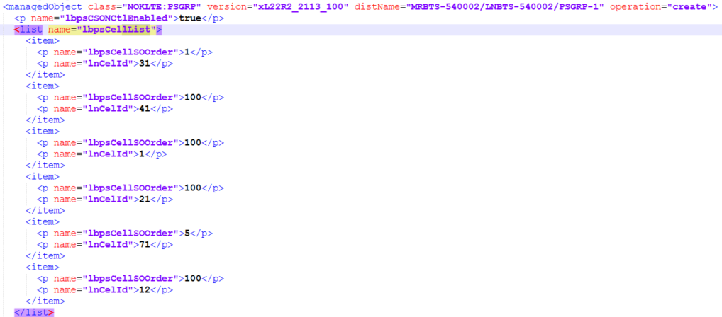
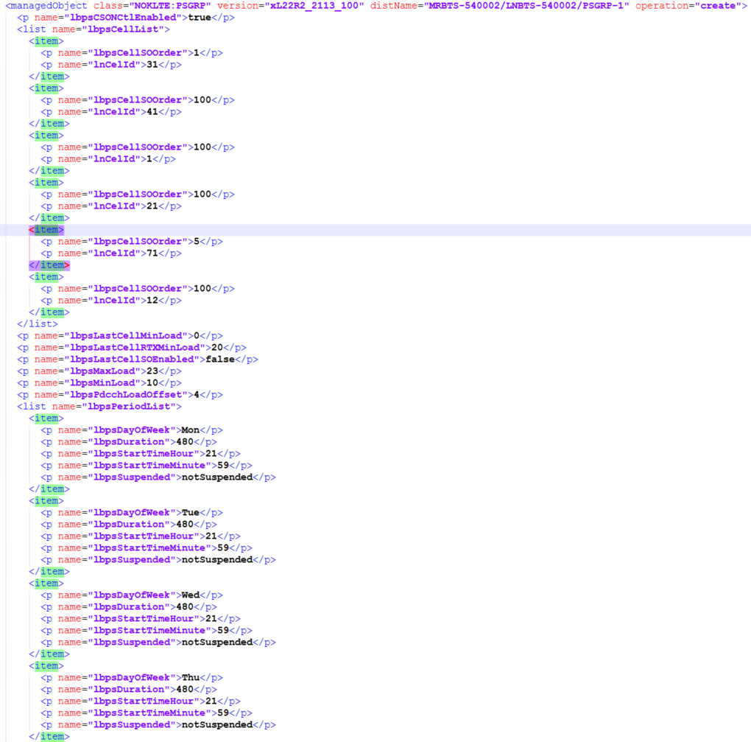

<managedObject class="com.nokia.srbts.mnl:CLOCK" version="MNL22R2_2113_100" distName="MRBTS-540002/MNL-1/MNLENT-1/SYNC-1/CLOCK-1" operation="create">
<p name="holdOverModeUsed">false</p>
<p name="outputConfiguration1Pps">EnabledWithoutBtsInputReference</p>
<p name="outputConfiguration1PpsBackplane">EnabledWithoutBtsInputReference</p>
<p name="outputConfiguration1PpsFHS">Disabled</p>
<p name="outputConfiguration2M048">Disabled</p>
<p name="outputConfigurationFCLK">Disabled</p>
<p name="outputConfigurationPdh">Disabled</p>
<p name="sModDN">MRBTS-540002/EQM-1/APEQM-1/CABINET-1/SMOD-1</p>
<list name="syncInputList">
<item>
<p name="syncInputPrio">1</p>
<p name="syncInputType">1pps/ToD from external GNSS receiver</p>
</item>
</list>
<p name="syncMaster">true</p>
</managedObject>

